visualization choices
Choose the Right Chart Type for Your Data - Tableau
Chart suggestion as a thought-starter

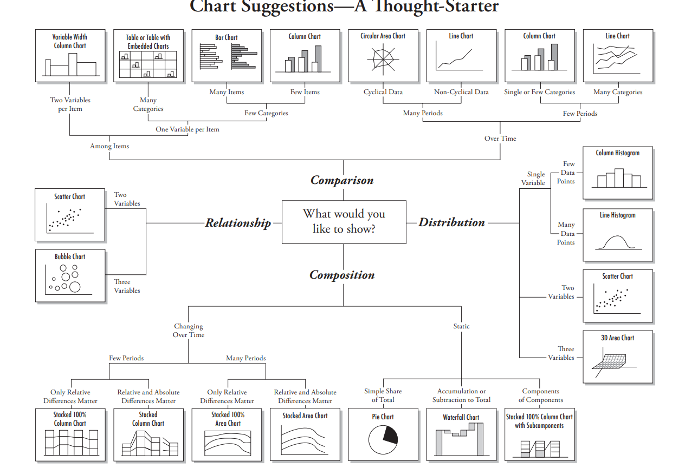

Univariate Data Visualizations
Analyzing one variable
Univariate Data Visualization: Understanding Matplotlib & Seaborn (analyticsvidhya.com) |  |  |  | Univariate data refers to a type of data in which each observation or data point corresponds to a single variable. In other words, it involves the measurement or observation of a single characteristic or attribute for each individual or item in the dataset.
Univariate, Bivariate and Multivariate data and its analysis - GeeksforGeeks
Univariate Data Exploration with Matplotlib & Seaborn | by Tristen Wallace | Medium
 | Univariate Enumerative Plots: | Line Plot | plt.plot()
 |  |  | sns.lineplot() | A line chart reveals trends or changes over time. Line charts can be used to show associations within a continuous data set and can be applied to a wide variety of categories, including a daily number of customers to a shop or variations in gold prices.
 |  | Scatter Plot | plt.scatter() | Scatter charts are essentially used for correlation and distribution analysis. Good for showing the relationship between two separate variables where one correlates to another (or doesn’t). Scatter charts can also show the data distribution or clustering trends and help you identify anomalies or outliers.
 |  |  | sns.scatterplot() | Scatter charts are essentially used for correlation and distribution analysis. Good for showing the relationship between two separate variables where one correlates to another (or doesn’t). Scatter charts can also show the data distribution or clustering trends and help you identify anomalies or outliers.
 |  | Strip Plot | sns.stripplot()
 |  | Swarm Plot | sns.swarmplot()
 | Univariate Summary Plots: | Box Plots | plt.boxplot()
 |  |  | sns.boxplot()
 |  | Density Plots | df.plot(kind='density')
 |  |  | sns.kdeplot()
 |  | Histograms | plt.hist()
 |  |  | sns.distplot() | The distplot() function of seaborn library was earlier mentioned under rug plot section. This function combines the matplotlib hist() function with the seaborn kdeplot() and rugplot() functions. A kernel density estimate can be plotted along with the rugs which can provide a better understanding of the data. Sns.distplot(df['sepal.length'], rug=True, hist=False
 |  |  | sns.histplot()
 |  | Rug Plot | sns.rugplot()
 |  | Sns.distplot | sns.distplot()
 |  | Violin Plots | plt.violinplot()
 |  |  | sns.violinplot()
 | Categorical Variables: | Bar Charts | plot.bar() | A column chart is used to show a comparison among different items, or it can show a comparison of items over time. Use stacked column charts to show a composition. Do not use too many composition items (not quite three or four) and confirm that. composing parts are relatively similar in size. It can get messy very quickly. A bar chart, basically a horizontal column chart, should be used to avoid clutter when one data label is long or if you have got more than 10 items to match/differentiate. This type of visualization can also be used to display negative numbers.
 |  |  | sns.countplot() | Visualize the distributions of categorical variable
 |  |  | plt.bar() | A column chart is used to show a comparison among different items, or it can show a comparison of items over time. Use stacked column charts to show a composition. Do not use too many composition items (not quite three or four) and confirm that. composing parts are relatively similar in size. It can get messy very quickly. A bar chart, basically a horizontal column chart, should be used to avoid clutter when one data label is long or if you have got more than 10 items to match/differentiate. This type of visualization can also be used to display negative numbers.
 |  | Pie Chart | plt.pie() | Pie charts are used to show segments of an entity(whole). A pie chart illustrates numbers in percentages, and the total sum of all the divided sections equals 100 per cent.

Bivariate Data Visualizations |  |  |  | Bivariate data involves two different variables, and the analysis of this type of data focuses on understanding the relationship or association between these two variables
 | Categorical vs Numerical Qualitative vs Quantitative |  |  | To be able to visualize the relationship between a categorical attribute and a numeric attribute, one of the attributes has to be transformed into the other type of attribute. Almost always, it is best to transform the numerical attribute into a categorical one, and then use a contingency table to examine the relationship between the two attributes If the categorical attribute is ordinal (1,2,3...) and not nominal (blue, brown, black), the categorical attribute can be made numerical by using the default method called ranking transformation | ddp pg141-143
 |  | Bar Plot | sns.barplot(x=data[categorical], y=data[numerical]) | A column chart is used to show a comparison among different items, or it can show a comparison of items over time. Use stacked column charts to show a composition. Do not use too many composition items (not quite three or four) and confirm that. composing parts are relatively similar in size. It can get messy very quickly. A bar chart, basically a horizontal column chart, should be used to avoid clutter when one data label is long or if you have got more than 10 items to match/differentiate. This type of visualization can also be used to display negative numbers.
 |  | Box Plot | plt.boxplot() | To check specifically for outliers
 |  |  | sns.boxplot() | To check specifically for outliers
 |  | Violin Plot | plt.violinplot() | To check specifically for outliers
 |  |  | sns.violinplot() | To check specifically for outliers
 | Numerical vs Numerical Quantitative vs Quantitative |  |  | Best tool for analyzing 2 numerical attributes is the scatter plot. A scatter matrix can analyze multiple numerical attributes at once | ddp pg135
 |  | Heat Maps | sns.heatmap(data.corr(), annot=True) | Correlate the numerical data first and then create the heatmap using the correlated data
 |  | Pair Plot | sns.pairplot() | Investigate the relationship between 2 attributes when there are multiple numerical attributes in the data | ddp pg135
 |  | Scatter Plot | sns.scatterplot(x=data[numerical], y=data[numerical]) | Scatter charts are essentially used for correlation and distribution analysis. Good for showing the relationship between two separate variables where one correlates to another (or doesn’t). Scatter charts can also show the data distribution or clustering trends and help you identify anomalies or outliers.
 |  |  | plt.scatter() | Scatter charts are essentially used for correlation and distribution analysis. Good for showing the relationship between two separate variables where one correlates to another (or doesn’t). Scatter charts can also show the data distribution or clustering trends and help you identify anomalies or outliers.
 | Categorical vs Categorical Qualitative sv Qualitative |  |  | The best visual tool for examining the relationship between two categorical attributes is the color-coded contingency table. A contingency table is a matrix that shows the frequency of data objects in all the possible value combinations of two attributes.
 |  | Heat Maps | contingency_tbl = pd.crosstab(adult_df.income, adult_df.sex) probability_tbl = contingency_tbl/contingency_tbl.sum() sns.heatmap(probability_tbl, annot=True, center=0.5, cmap='Greys') | Create a contingency table from the categorical data. Then create a probability table to put things into numbers for a heatmap | 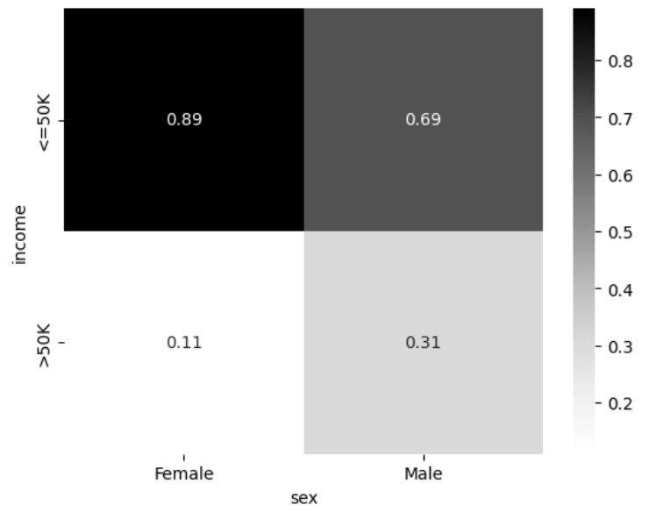 ddp pg137-138
 |  | Bar Chart | sns.countplot(df[category1], hue=df[category2]) | A column chart is used to show a comparison among different items, or it can show a comparison of items over time. Can also create a clustered bar chart (assign a categorical variable to hue) or a stacked bar chart (2 bar plots with different colors) Use stacked column charts to show a composition. Do not use too many composition items (not quite three or four) and confirm that. composing parts are relatively similar in size. It can get messy very quickly. A bar chart, basically a horizontal column chart, should be used to avoid clutter when one data label is long or if you have got more than 10 items to match/differentiate. This type of visualization can also be used to display negative numbers.
 |  | Clustered Bar Chart |  | A column chart is used to show a comparison among different items, or it can show a comparison of items over time. Can also create a clustered bar chart (assign a categorical variable to hue) or a stacked bar chart (2 bar plots with different colors) Use stacked column charts to show a composition. Do not use too many composition items (not quite three or four) and confirm that. composing parts are relatively similar in size. It can get messy very quickly. A bar chart, basically a horizontal column chart, should be used to avoid clutter when one data label is long or if you have got more than 10 items to match/differentiate. This type of visualization can also be used to display negative numbers.
 | add pairplot()
 | add jointplot()
 | add lmplot() – Scatter plot with a best fit line
 | add stripplot() |  |  | Scatter plot across a categorical variable (also helps in checking for outliers)
 | add swarmplot() |  |  | Scatter plot across a categorical variable (also helps in checking for outliers)
 | add lineplot() |  |  | Best when looking at trends (Time-related variable along the x-axis). Best way to visualie time series data | ddp pg153
 | add catplot() |  |  | Analysing a quantitative variable across 2 categorical variables with one variable having a high number of categories
 | add factorplot() |  |  | Analysing a quantitative variable across 2 categorical variables with one variable having a high number of categories

Multivariate Analysis |  |  |  | When dealing with three or more variables, the data is specifically categorized as multivariate.
 |  | PCA | sns.scatterplot(x= , y=, hue=)
 |  | HeatMap | sns.heatmap(data.corr(), annot=True)
 | corr() – Correlation matrix followed by
 | heatmap() – Visualize the correlation matrix
 | pairplot() – Combination of Scatter plots and individual histogram plots for all numerical

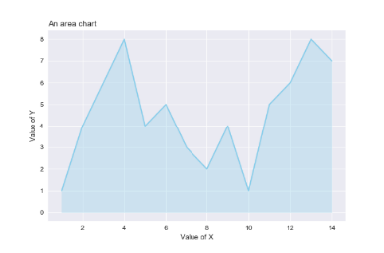
f) Area Charts
An area chart is essentially a line chart, but the space between the x-axis and the line is filled up with a colour or pattern.
It is useful for showing part-to-whole associations, like showing individual sales reps' contribution to total sales for a year.
It helps you analyze both overall & individual trend details.

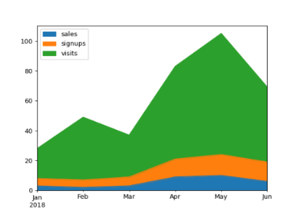

g) Stacked Area
Stacked area charts are best used to show changes in information over time.
A good example would be the changes in market share among top players or revenue shares by product line over a period of time.
Stacked area charts might be colourful and fun, but you should use them with attention because they can quickly become a mess.
Don’t stack together more than three to five categories.

Data Visualization do's and don'ts - A general diagnosis
Time axis. When applying time in charts, set it on the horizontal axis. Time should run from left to right. Do not pass over values (time periods), even if there are no values.
Proportional values. The numbers in a chart (displayed as bar, area, or other physically measured elements in the chart) should be directly proportional to the numerical quantities presented.
Data-Ink Ratio. Remove any excess details, lines, colours, and text from a chart that does not add value.
Sorting. For column and bar charts, to enable easier differentiation/comparison, sort your data in ascending or descending order by the value, not alphabetically. This applies also to pie charts.
You don’t need a legend if you have got only one data category.
Labels. Use labels directly on the line, column, bar, pie, etc., whenever possible, to keep away from indirect look-up.
Colours. In any chart, don’t use more than six-seven colours.
Colours. For differentiating the same value at different time periods, use the same colour in a different intensity (from light to dark).
Colours. For distinct categories, use different colours. The most widely used colours are white, black, red, green, blue, and yellow.
Colours. Retain the same colour palette or style for all charts in the series, and the same axes and labels for similar charts to make your charts consistent and easy to compare.
Examine how your charts would look when printed out in grey-scale. If you cannot identify colour differences, you should change the hue and saturation of colours.
Seven to ten percent of male have a colour deficiency. Keep that in mind when creating charts, making sure they are readable for colour-blind people.
Data Complexity. Don’t add too much detail to a single chart. If required, split data into two charts, use highlighting, simplify colours, or change the chart type.

AdjustText
adjustText | from adjustText import adjust_text
Type | Name | Arguments | Description | URL | Examples | Reference

adjustText | adjustText.adjust_text() | adjustText.adjust_text(texts, x=None, y=None, objects=None, target_x=None, target_y=None, avoid_self=True, prevent_crossings=True, force_text: tuple[float, float] | float = (0.1, 0.2), force_static: tuple[float, float] | float = (0.1, 0.2), force_pull: tuple[float, float] | float = (0.01, 0.01), force_explode: tuple[float, float] | float = (0.1, 0.5), pull_threshold: float = 10, expand: tuple[float, float] = (1.05, 1.2), max_move: tuple[int, int] | int | None = (10, 10), explode_radius: str | float = 'auto', ensure_inside_axes: bool = True, expand_axes: bool = False, only_move: dict = {'explode': 'xy', 'pull': 'xy', 'static': 'xy', 'text': 'xy'}, ax: matplotlib.axes.Axes | None = None, min_arrow_len: float = 5, time_lim: float | None = None, iter_lim: int | None = None, *args, **kwargs) | Iteratively adjusts the locations of texts. Call adjust_text the very last, after all plotting (especially anything that can change the axes limits) has been done. This is because to move texts the function needs to use the dimensions of the axes, and without knowing the final size of the plots the results will be completely nonsensical, or suboptimal. First “explodes” all texts to move them apart. Then in each iteration pushes all texts away from each other, and any specified points or objects. At the same time slowly tries to pull the texts closer to their origianal locations that they label (this reduces chances that a text ends up super far away). In the end adds arrows connecting the texts to the respective points. | Welcome to the documentation for adjustText! — adjustText documentation | from adjustText import adjust_text housetasks = pd.read_csv(HOUSE_TASKS_CSV, index_col=0) ca = prince.CA(n_components=2) ca = ca.fit(housetasks) ax = ca.row_coordinates(housetasks).plot.scatter(x=0, y=1, figsize=(6,6)) ca.column_coordinates(housetasks).plot.scatter(x=0, y=1, ax=ax, c='C1') texts = [] for idx, row in ca.row_coordinates(housetasks).iterrows(): texts.append(plt.text(row[0], row[1], idx)) for idx, row in ca.column_coordinates(housetasks).iterrows(): texts.append(plt.text(row[0], row[1], idx, color='C1')) adjust_text(texts, only_move={'points':'y', 'texts':'y'}) plt.tight_layout() plt.show() | Practical_Statistics pg292 | 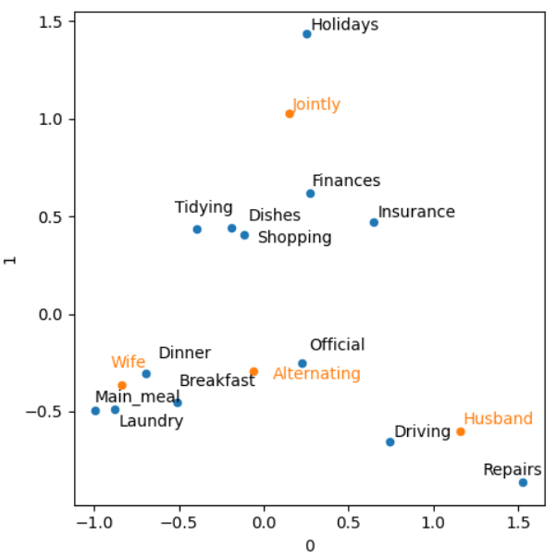

Cartopy
Cartopy | import cartopy.crs as ccrs from cartopy.mpl.ticker import LongitudeFormatter, LatitudeFormatter
Type | Name | Arguments | Description | URL | Examples | Reference

Crs
 | cartopy.crs.Mercator() | cartopy.crs.Mercator(central_longitude=0.0, min_latitude=-80.0, max_latitude=84.0, globe=None, latitude_true_scale=None, false_easting=0.0, false_northing=0.0, scale_factor=None) | A Mercator projection. Treats earth as a cylinder that has been flattened into a rectangle | Cartopy projection list — cartopy 0.24.1 documentation | calif_cities = us_cities[us_cities["State"].eq('California')] fig, ax = plt.subplots(figsize=(15,8)) ax = plt.axes(projection=ccrs.Mercator()) | Python_for_Data_Science pg140 | 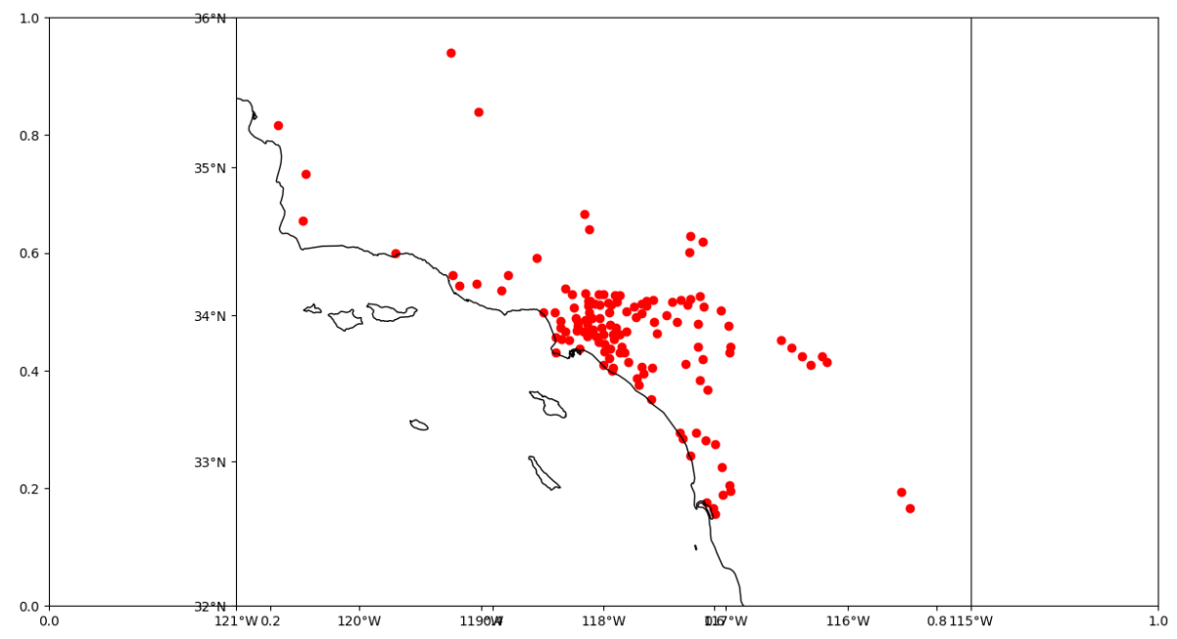
 | cartopy.crs.PlateCaree() | cartopy.crs.PlateCarree(central_longitude=0.0, globe=None) | Treats earth as a cylinder that has been flattened into a rectangle | Cartopy projection list — cartopy 0.24.1 documentation | ax.set_yticks([32,33,34,35,36], crs=ccrs.PlateCarree()) ax.set_xticks([-121,-120,-119,-118,-117,-116,-115], crs=ccrs.PlateCarree()) | Python_for_Data_Science pg140 | 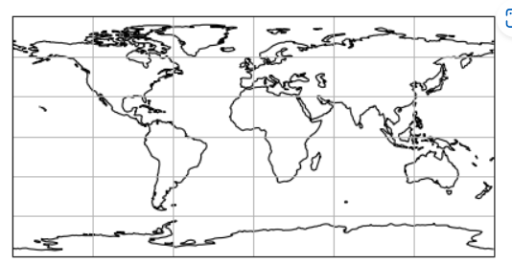

Mpl.ticker | cartopy.mpl.ticker.LatitudeFormatter() | cartopy.mpl.ticker.LatitudeFormatter(direction_label=True, degree_symbol='°', number_format='g', transform_precision=1e-08, dms=False, minute_symbol='′', second_symbol='″', seconds_number_format='g', auto_hide=True, decimal_point=None, cardinal_labels=None) | Tick formatter for latitude axes. Tick formatter for latitudes. When bound to an axis, the axis must be part of an axes defined on a rectangular projection (e.g. Plate Carree, Mercator). | cartopy.mpl.ticker.LatitudeFormatter — cartopy 0.24.1 documentation | lat_formatter = LatitudeFormatter() ax.yaxis.set_major_formatter(lat_formatter) | Python_for_Data_Science pg140
 | cartopy.mpl.ticker.LongitudeFormatter() | cartopy.mpl.ticker.LongitudeFormatter(direction_label=True, zero_direction_label=False, dateline_direction_label=False, degree_symbol='°', number_format='g', transform_precision=1e-08, dms=False, minute_symbol='′', second_symbol='″', seconds_number_format='g', auto_hide=True, decimal_point=None, cardinal_labels=None)[source] | Tick formatter for a longitude axis. Create a formatter for longitudes. When bound to an axis, the axis must be part of an axes defined on a rectangular projection (e.g. Plate Carree, Mercator). | cartopy.mpl.ticker.LongitudeFormatter — cartopy 0.24.1 documentation | lon_formatter = LongitudeFormatter() ax.xaxis.set_major_formatter(lon_formatter) | Python_for_Data_Science pg140

Mpl.geoaxes | mpl.geoaxes.GeoAxes.coastlines() | coastlines(resolution='auto', color='black', **kwargs) | Add coastal outlines to the current axes from the Natural Earth “coastline” shapefile collection. | cartopy.mpl.geoaxes.GeoAxes — cartopy 0.24.1 documentation | ax.coastlines('10m') | Python_for_Data_Science pg140
 | mpl.geoaxes.GeoAxes.set_extent() | set_extent(extents, crs=None) | Set the extent (x0, x1, y0, y1) of the map in the given coordinate system. If no crs is given, the extents’ coordinate system will be assumed to be the Geodetic version of this axes’ projection. | cartopy.mpl.geoaxes.GeoAxes — cartopy 0.24.1 documentation | ax.set_extent([-121,-115,32,36], crs=ccrs.PlateCarree()) | Python_for_Data_Science pg140
 | mpl.geoaxes.GeoAxes.set_xticks() | set_xticks(ticks, minor=False, crs=None) | Set the x ticks. | cartopy.mpl.geoaxes.GeoAxes — cartopy 0.24.1 documentation | ax.set_yticks([32,33,34,35,36], crs=ccrs.PlateCarree()) | Python_for_Data_Science pg140
 | mpl.geoaxes.GeoAxes.set_yticks() | set_yticks(ticks, minor=False, crs=None) | Set the y ticks | cartopy.mpl.geoaxes.GeoAxes — cartopy 0.24.1 documentation | ax.set_xticks([-121,-120,-119,-118,-117,-116,-115], crs=ccrs.PlateCarree()) | Python_for_Data_Science pg140
 | mpl.geoaxes.GeoAxes.scatter() | scatter(*args, **kwargs) | Add the “transform” keyword to scatter(). | cartopy.mpl.geoaxes.GeoAxes — cartopy 0.24.1 documentation | ax.scatter(X, Y, color="red", marker="o", transform=ccrs.PlateCarree()) | Python_for_Data_Science pg140

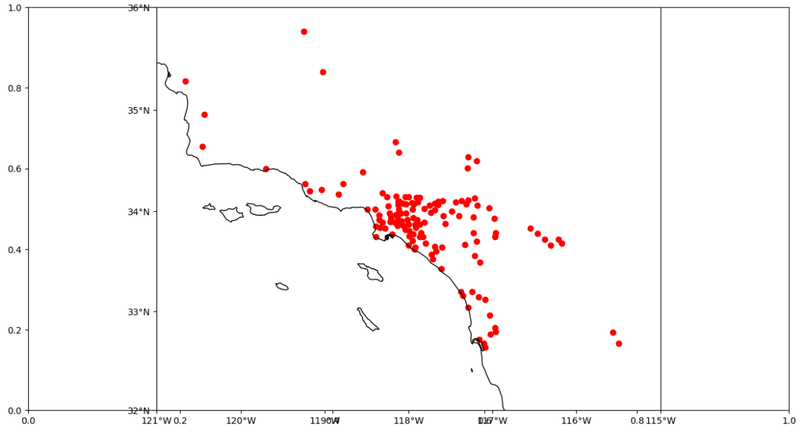
Examples
calif_cities = us_cities[us_cities["State"].eq('California')]
fig, ax = plt.subplots(figsize=(15,8))
ax = plt.axes(projection=ccrs.Mercator())
ax.coastlines('10m')
ax.set_yticks([32,33,34,35,36], crs=ccrs.PlateCarree())
ax.set_xticks([-121,-120,-119,-118,-117,-116,-115], crs=ccrs.PlateCarree())
lon_formatter = LongitudeFormatter()
lat_formatter = LatitudeFormatter()
ax.xaxis.set_major_formatter(lon_formatter)
ax.yaxis.set_major_formatter(lat_formatter)
ax.set_extent([-121,-115,32,36], crs=ccrs.PlateCarree())
X = calif_cities['lon']
Y = calif_cities['lat']
ax.scatter(X, Y, color="red", marker="o", transform=ccrs.PlateCarree())
plt.show()

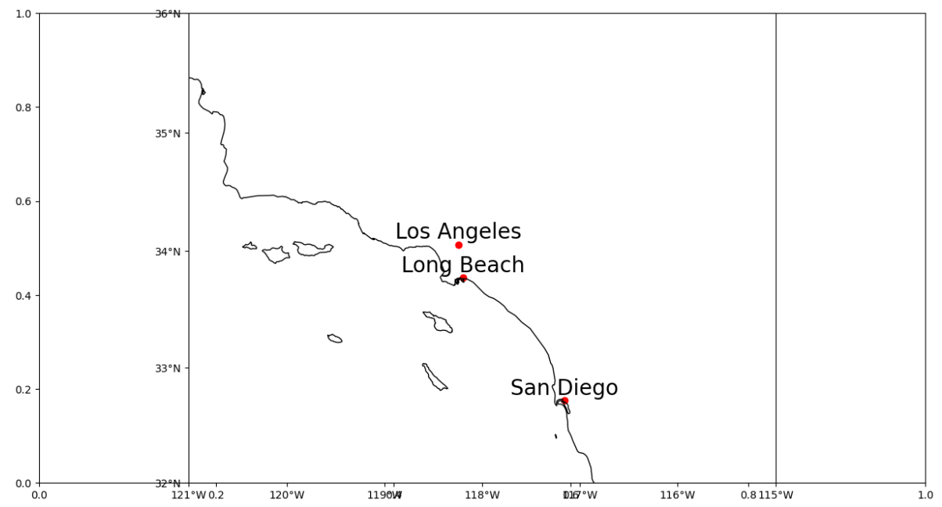
fig, ax = plt.subplots(figsize=(15,8))
ax = plt.axes(projection=ccrs.Mercator())
ax.coastlines('10m')
ax.set_yticks([32,33,34,35,36], crs=ccrs.PlateCarree())
ax.set_xticks([-121,-120,-119,-118,-117,-116,-115], crs=ccrs.PlateCarree())
lon_formatter = LongitudeFormatter()
lat_formatter = LatitudeFormatter()
ax.xaxis.set_major_formatter(lon_formatter)
ax.yaxis.set_major_formatter(lat_formatter)
ax.set_extent([-121,-115, 32, 36])
X = top_calif_cities['lon']
Y = top_calif_cities['lat']
cities = top_calif_cities['City']
ax.scatter(X,Y,color="red",marker="o", transform=ccrs.PlateCarree())
for i in X.index:
label = cities[i]
plt.text(X[i], Y[i]+0.05, label, clip_on=True, fontsize=20,
horizontalalignment='center', transform=ccrs.Geodetic())
plt.show()

Graphviz
Graphviz | import graphviz as gr
Type | Name | Arguments | Description | URL | Examples | Reference

Digraph
 | graphviz.Digraph() | graphviz.Digraph(name=None, comment=None, filename=None, directory=None, format=None, engine=None, encoding='utf-8', graph_attr=None, node_attr=None, edge_attr=None, body=None, strict=False, *, renderer=None, formatter=None) | Directed graph source code in the DOT language. | API Reference — graphviz 0.20.3 documentation | import graphviz as gr g_cross_sell = gr.Digraph() g_cross_sell.edge("gender", "conversion") g_cross_sell | Causal_inference pg63
 | graphviz.Digraph().edge() | edge(tail_name, head_name, label=None, _attributes=None, **attrs) | Create an edge between two nodes. |  | import graphviz as gr g_cross_sell = gr.Digraph() g_cross_sell.edge("U", "conversion") g_cross_sell.edge("U", "age") g_cross_sell.edge("U", "gender") g_cross_sell.edge("rnd", "cross_sell_email") g_cross_sell.edge("cross_sell_email", "conversion") g_cross_sell.edge("age", "conversion") g_cross_sell.edge("gender", "conversion") g_cross_sell | Causal_inference pg63,64 | 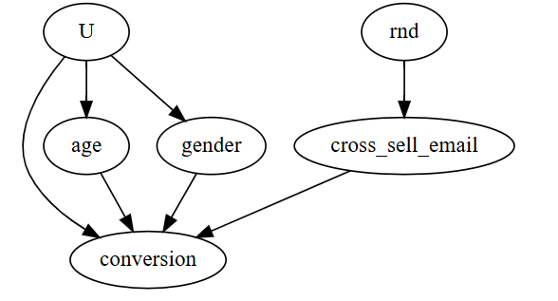

Grid_Search_Utils
import grid_search_utils
Type | Name | Arguments | Description | URL | Examples | Reference

Grid_Search_Utils | grid_search_utils.plot_grid_search | plot_grid_search(clf) | Plot as many graphs as parameters are in the grid search results Each graph has the values of each parameter in the X axis and the Score in the Y axis | grid_search_utils | parameters = { 'var_smoothing': [1e-2, 1e-3, 1e-4, 1e-5, 1e-6, 1e-7, 1e-8, 1e-9, 1e-10, 1e-11, 1e-12, 1e-13, 1e-14, 1e-15] } clf = GridSearchCV(gnb_clf, parameters, cv=5, verbose=VERBOSE, n_jobs=N_JOBS) clf.fit(X_train, y_train) plot_grid_search(clf) table_grid_search(clf) | Tactic 03. Hyperparameter optimization. GNB | 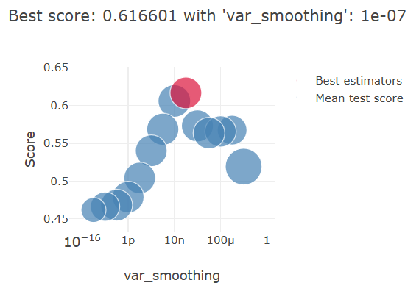
 | grid_search_utils.table_grid_search | table_grid_search(clf, all_columns=False, all_ranks=False, save=True) | Show tables with the grid search results | grid_search_utils | parameters = { 'var_smoothing': [1e-2, 1e-3, 1e-4, 1e-5, 1e-6, 1e-7, 1e-8, 1e-9, 1e-10, 1e-11, 1e-12, 1e-13, 1e-14, 1e-15] } clf = GridSearchCV(gnb_clf, parameters, cv=5, verbose=VERBOSE, n_jobs=N_JOBS) clf.fit(X_train, y_train) plot_grid_search(clf) table_grid_search(clf) | Tactic 03. Hyperparameter optimization. GNB

Lime
LIME
Type | Name | Arguments | Description | URL | Examples | Reference

Lime_tabular | lime.lime_tabular.LimeTabularExplainer() | lime.lime_tabular.LimeTabularExplainer(training_data, mode='classification', training_labels=None, feature_names=None, categorical_features=None, categorical_names=None, kernel_width=None, kernel=None, verbose=False, class_names=None, feature_selection='auto', discretize_continuous=True, discretizer='quartile', sample_around_instance=False, random_state=None, training_data_stats=None) | Explains predictions on tabular (i.e. matrix) data. For numerical features, perturb them by sampling from a Normal(0,1) and doing the inverse operation of mean-centering and scaling, according to the means and stds in the training data. For categorical features, perturb by sampling according to the training distribution, and making a binary feature that is 1 when the value is the same as the instance being explained. | lime package — lime 0.1 documentation | from lime import lime_tabular explainer = lime_tabular.LimeTabularExplainer( X_train.values, feature_names = X.columns, class_names = ["died","survived"]) exp = explainer.explain_instance( X_train.iloc[-1].values, dt.predict_proba) exp.show_in_notebook() | Machine_Learning_Pocket_Ref pg 178
 | lime.lime_tabular.LimeTabularExplainer().explain_instance() | explain_instance(data_row, predict_fn, labels=(1, ), top_labels=None, num_features=10, num_samples=5000, distance_metric='euclidean', model_regressor=None, sampling_method='gaussian') | Generates explanations for a prediction. First, we generate neighborhood data by randomly perturbing features from the instance (see __data_inverse). We then learn locally weighted linear models on this neighborhood data to explain each of the classes in an interpretable way (see lime_base.py). | lime package — lime 0.1 documentation | from lime import lime_tabular explainer = lime_tabular.LimeTabularExplainer( X_train.values, feature_names = X.columns, class_names = ["died","survived"]) exp = explainer.explain_instance( X_train.iloc[-1].values, dt.predict_proba) exp.show_in_notebook() | Machine_Learning_Pocket_Ref pg 178 | 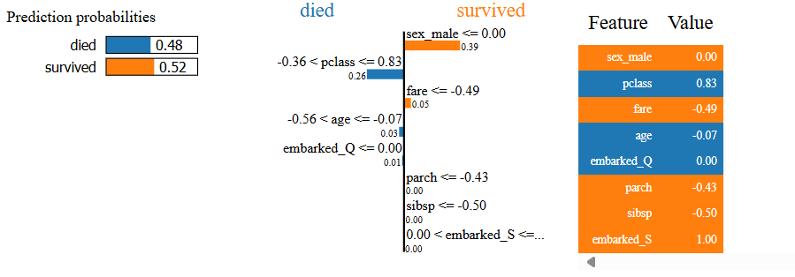
 | lime.lime_tabular.LimeTabularExplainer().explain_instance().as_pyplot_figure() | as_pyplot_figure(label=1, **kwargs) | Returns the explanation as a pyplot figure. Will throw an error if you don’t have matplotlib installed :param label: desired label. If you ask for a label for which an | lime package — lime 0.1 documentation | fig = exp.as_pyplot_figure() fig.tight_layout() | Machine_Learning_Pocket_Ref pg 179 | 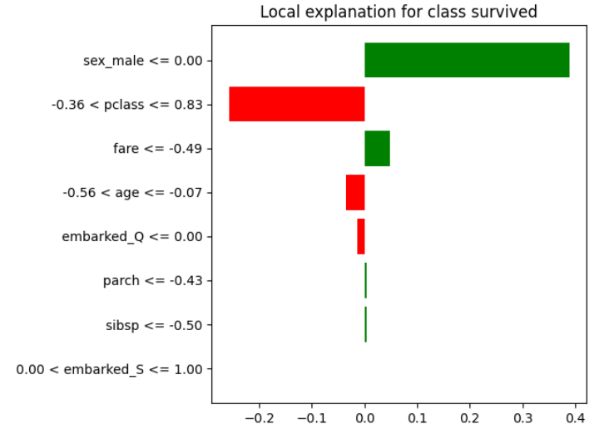

MissingNo
type | Name | Arguments | Description | URL | Examples | Reference
 | # to create report of missing values import missingno as msno | Messy datasets? Missing values? missingno provides a small toolset of flexible and easy-to-use missing data visualizations and utilities that allows you to get a quick visual summary of the completeness (or lack thereof) of your dataset.

Msno | missingno.matrix() | missingno.matrix() | The msno.matrix nullity matrix is a data-dense display which lets you quickly visually pick out patterns in data completion. The sparkline at right summarizes the general shape of the data completeness and points out the rows with the maximum and minimum nullity in the dataset. This visualization will comfortably accommodate up to 50 labelled variables. Past that range labels begin to overlap or become unreadable, and by default large displays omit them. | GitHub - ResidentMario/missingno: Missing data visualization module for Python. | import missingno as msno ax = msno.matrix(orig_df.sample(500)) | Machine_Learning_Pocket_Ref pg43 | 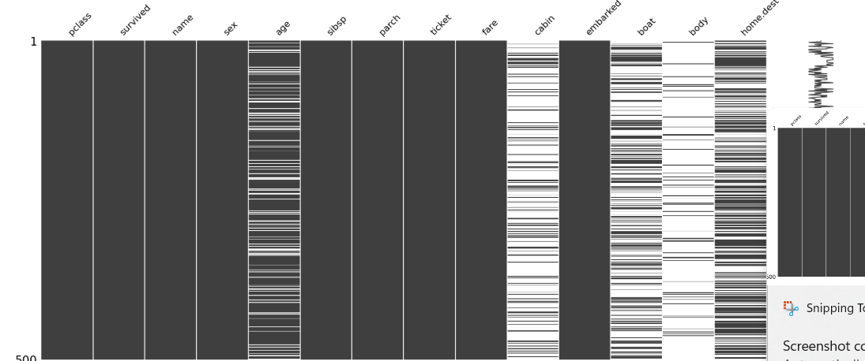
 | missingno.bar() | missingno.bar() | msno.bar is a simple visualization of nullity by column: | GitHub - ResidentMario/missingno: Missing data visualization module for Python. | # Create report of missing values ax = msno.bar(orig_df.sample(500)) | Machine_Learning_Pocket_Ref pg45 | 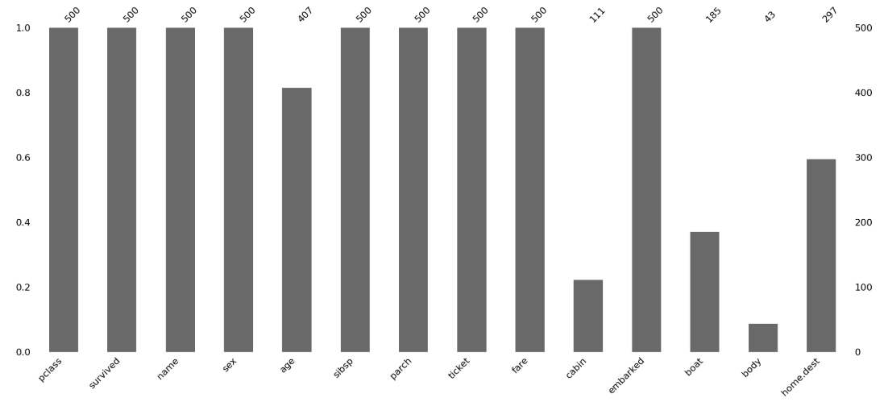
 | missingno.heatmap() | missingno.heatmap() | The missingno correlation heatmap measures nullity correlation: how strongly the presence or absence of one variable affects the presence of another: Nullity correlation ranges from -1 (if one variable appears the other definitely does not) to 0 (variables appearing or not appearing have no effect on one another) to 1 (if one variable appears the other definitely also does). | GitHub - ResidentMario/missingno: Missing data visualization module for Python. | # Create heatmap showing if there are correlations where data is missing ax = msno.heatmap(df, figsize=(6,6)) | Machine_Learning_Pocket_Ref pg45 | 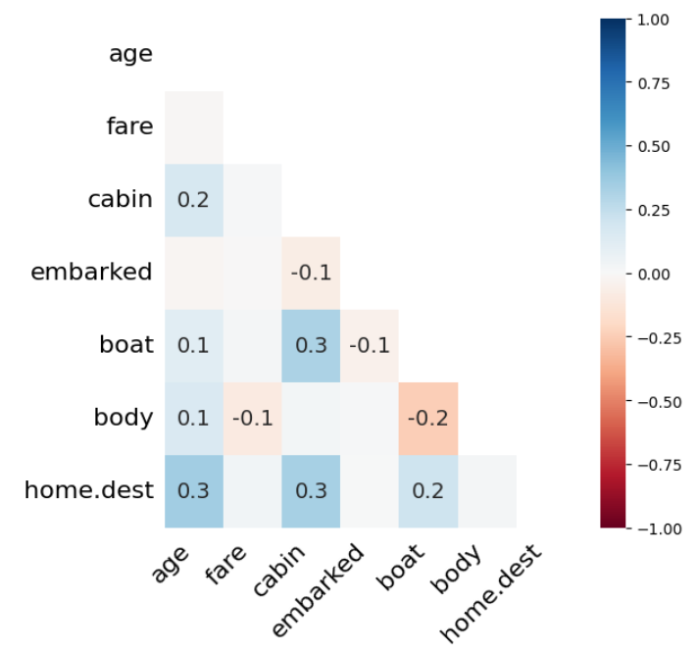
 | missingno.dendrogram() | missingno.dendrogram() | The dendrogram allows you to more fully correlate variable completion, revealing trends deeper than the pairwise ones visible in the correlation heatmap: The dendrogram uses a hierarchical clustering algorithm (courtesy of scipy) to bin variables against one another by their nullity correlation (measured in terms of binary distance). At each step of the tree the variables are split up based on which combination minimizes the distance of the remaining clusters. The more monotone the set of variables, the closer their total distance is to zero, and the closer their average distance (the y-axis) is to zero. To interpret this graph, read it from a top-down perspective. Cluster leaves which linked together at a distance of zero fully predict one another's presence—one variable might always be empty when another is filled, or they might always both be filled or both empty, and so on. In this specific example the dendrogram glues together the variables which are required and therefore present in every record. Cluster leaves which split close to zero, but not at it, predict one another very well, but still imperfectly. If your own interpretation of the dataset is that these columns actually are or ought to be match each other in nullity (for example, as CONTRIBUTING FACTOR VEHICLE 2 and VEHICLE TYPE CODE 2 ought to), then the height of the cluster leaf tells you, in absolute terms, how often the records are "mismatched" or incorrectly filed—that is, how many values you would have to fill in or drop, if you are so inclined. | GitHub - ResidentMario/missingno: Missing data visualization module for Python. | # Create dendogram showing the clusterings of where the data is missing ax = msno.dendrogram(df) | Machine_Learning_Pocket_Ref pg46 | 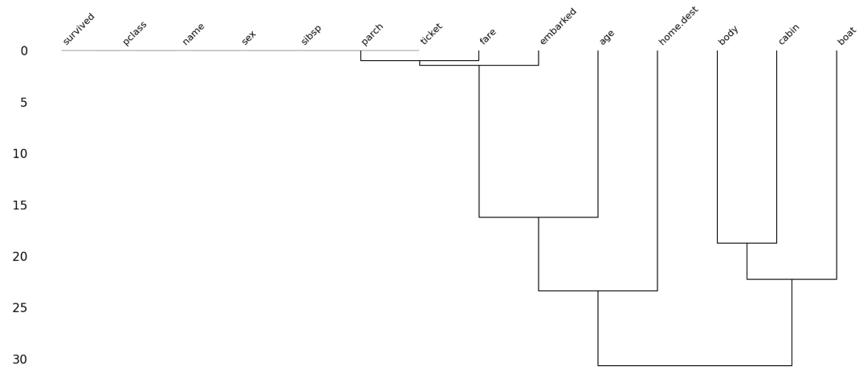

Pandas
Panda Series
Type | Name | Arguments | Description | URL | Examples

DataFrame Plots | DataFrame.plot.bar() | DataFrame.plot.bar(x=None, y=None, **kwargs) | Vertical bar plot. | pandas.DataFrame.plot.bar — pandas 2.2.2 documentation (pydata.org) | adult_df.relationship.value_counts().plot.bar() | dpp pg33
 | DataFrame.plot.barh() | DataFrame.plot.barh(x=None, y=None, **kwargs) | Make a horizontal bar plot. | pandas.DataFrame.plot.barh — pandas 2.2.2 documentation (pydata.org) | categorical_attributes = ['workclass','education','marital-status','occupation', 'relationship','race','sex','nativeCountry','income'] for att in categorical_attributes: adult_df[att].value_counts().plot.barh() plt.title(att) plt.tight_layout() plt.savefig('{}test.png'.format([att]), dpi=600) plt.show() | dpp pg124
 | DataFrame.plot.box() | DataFrame.plot.box(by=None, **kwargs) | Make a box plot of the DataFrame columns | pandas.DataFrame.plot.box — pandas 2.2.2 documentation (pydata.org) | adult_df= pd.read_csv('adult.csv') numerical_attributes = ['age','fnlwgt','education-num', 'capitalGain','capitalLoss','hoursPerWeek'] for att in numerical_attributes: plt.figure(figsize=(10,3)) plt.subplot(1,2,1) adult_df[att].plot.hist() plt.subplot(1,2,2) adult_df[att].plot.box(vert=False) plt.tight_layout() plt.show() plt.savefig('{}test.png'.format([att]), dpi=600) | dpp pg123
 | DataFrame.plot.hist() | DataFrame.plot.hist(by=None, bins=10, **kwargs) | Draw one histogram of the DataFrame’s columns. | pandas.DataFrame.plot.hist — pandas 2.2.2 documentation (pydata.org) | adult_df.age.plot.hist() ---------------------------------------------- adult_df= pd.read_csv('adult.csv') numerical_attributes = ['age','fnlwgt','education-num', 'capitalGain','capitalLoss','hoursPerWeek'] for att in numerical_attributes: plt.figure(figsize=(10,3)) plt.subplot(1,2,1) adult_df[att].plot.hist() plt.subplot(1,2,2) adult_df[att].plot.box(vert=False) plt.tight_layout() plt.show() plt.savefig('{}test.png'.format([att]), dpi=600) | dpp pg31, 123
 | DataFrame.plot.scatter() | DataFrame.plot.scatter(x, y, s=None, c=None, **kwargs) | Create a scatter plot with varying marker point size and color. | pandas.DataFrame.plot.scatter — pandas 2.2.2 documentation (pydata.org) | customer_df.plot.scatter(x='Last week number of visits', y='Last week Purchase $') | dpp pg89

Plotting | pandas.plotting.parallel_coordinates() | pandas.plotting.parallel_coordinates(frame, class_column, cols=None, ax=None, color=None, use_columns=False, xticks=None, colormap=None, axvlines=True, axvlines_kwds=None, sort_labels=False, **kwargs) | Parallel coordinates plotting | pandas.plotting.parallel_coordinates — pandas 2.2.3 documentation | from pandas.plotting import parallel_coordinates fig, ax = plt.subplots(figsize=(6,6)) new_df = X.copy() new_df["target"]=y parallel_coordinates(new_df, "target", ax=ax, colormap = "viridis", alpha=0.5) ax.set_xticklabels(ax.get_xticklabels(), rotation=45) | Machine_Learning_Pocket_Ref pg75 | 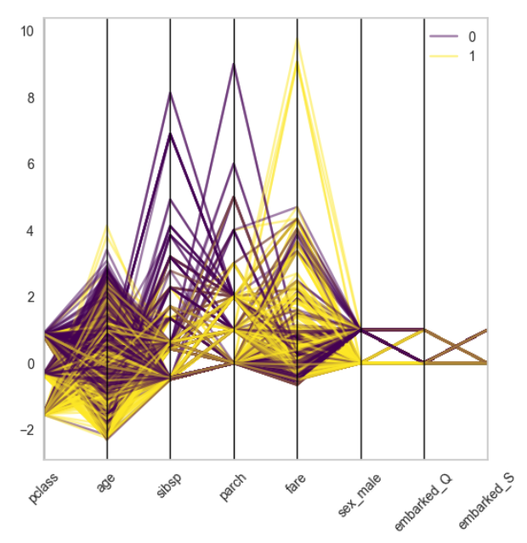
 | pandas.plotting.radviz() | pandas.plotting.radviz(frame, class_column, ax=None, color=None, colormap=None, **kwds) | Plot a multidimensional dataset in 2D. Each Series in the DataFrame is represented as a evenly distributed slice on a circle. Each data point is rendered in the circle according to the value on each Series. Highly correlated Series in the DataFrame are placed closer on the unit circle. RadViz allow to project a N-dimensional data set into a 2D space where the influence of each dimension can be interpreted as a balance between the influence of all dimensions. | pandas.plotting.radviz — pandas 2.2.3 documentation | from pandas.plotting import radviz fig, ax = plt.subplots(figsize=(6,6)) new_df = X.copy() new_df["target"]=y radviz(new_df, "target", ax=ax, colormap = "PiYG") | Machine_Learning_Pocket_Ref pg72 | 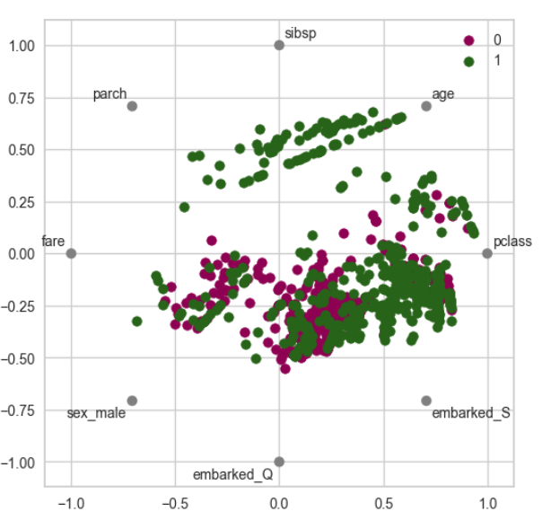
 | pandas.plotting.scatter_matrix() | pandas.plotting.scatter_matrix(frame, alpha=0.5, figsize=None, ax=None, grid=False, diagonal='hist', marker='.', density_kwds=None, hist_kwds=None, range_padding=0.05, **kwargs) | Draw a matrix of scatter plots | pandas.plotting.scatter_matrix — pandas 2.2.2 documentation (pydata.org) | pd.plotting.scatter_matrix(auto); pd.plotting.scatter_matrix(auto[['mpg','displacement','weight']]); ---------------------------------------------- from pandas.plotting import scatter_matrix attributes = ['median_house_value', 'median_income', 'total_rooms', 'housing_median_age'] scatter_matrix(housing[attributes],figsize=(12,8)) plt.show() | islp pg 62 Hands_On_Scikit_Keras_Tensorflow pg64 | 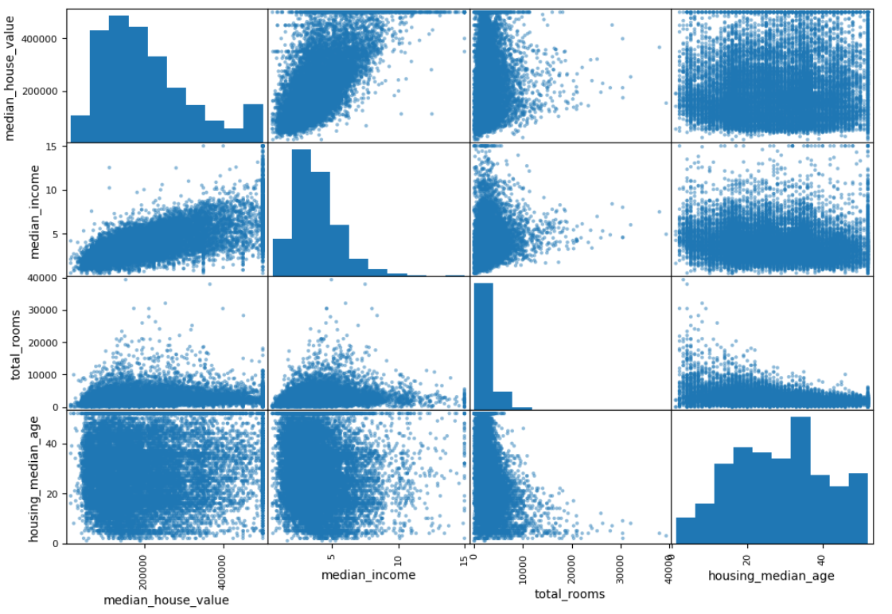

 | Series.plot.bar() | Series.plot.bar(x=None, y=None, **kwargs) | Vertical bar plot For categorical columns, you must use the .value_counts in the code to avoid an error and retrieve the necessary values for the report | pandas.Series.plot.bar — pandas 2.2.2 documentation (pydata.org) | adult_df.relationship.value_counts().plot.bar() | dpp pg33
 | Series.plot.barh() | Series.plot.barh(x=None, y=None, **kwargs) | Make a horizontal bar plot. | pandas.Series.plot.barh — pandas 2.2.2 documentation (pydata.org) | income_possibilities = adult_df['income'].unique() for i, poss in enumerate(income_possibilities): plt.subplot(2,1,i+1) BM = adult_df['income']==poss adult_df[BM]['race'].value_counts().plot.barh() plt.xlim([0,22000]) plt.ylabel(poss) ------------------------------- adult_df.groupby(['income','race']).size().plot.barh() -------------------------------- adult_df.groupby(['race','income']).size().unstack().plot.barh() # the loc value can designate which corner legend is placed plt.legend(loc=4) ------------------------------- adult_df.groupby(['race','income']).size().unstack().plot.barh(stacked=True) plt.legend(loc=4) | dpp pg130-134
 | Series.plot.hist() | Series.plot.hist(by=None, bins=10, **kwargs) | Draw one histogram of the DataFrame’s columns | pandas.Series.plot.hist — pandas 2.2.2 documentation (pydata.org) | adult_df.age.plot.hist() | dpp pg31

 | plot.hexbin() |  |  |  | ax = kc_tax0.plot.hexbin(x='SqFtTotLiving', y='TaxAssessedValue', gridsize=3- sharex=False, figsize=(5,4) | practical_Statistics pg37

Pdpbox
Pdpbox | import pdpbox
Type | Name | Arguments | Description | URL | Examples | Reference

Pdp | pdpbox.pdp.PDPIsolate() | pdpbox.pdp.PDPIsolate(model, df, model_features, feature, feature_name, pred_func=None, n_classes=None, memory_limit=0.5, chunk_size=-1, n_jobs=1, predict_kwds=None, data_transformer=None, cust_grid_points=None, grid_type='percentile', num_grid_points=10, percentile_range=None, grid_range=None) | Performs Partial Dependence Plot (PDP) analysis on a single feature. | pdpbox.pdp.PDPIsolate — PDPbox 0.2.1+1.g7fae76b.dirty documentation | p = pdp.PDPIsolate( model = rf5, # decision model used df = X, # dataset used model_features = X.columns, # list of all columns in dataframe feature = "sex_male", # This is the field to examine that has a 0/1 dummy value feature_name = "gender" # This is for the title of report) fig, axes = p.plot( center=False, plot_lines=True, frac_to_plot=100, cluster=False, n_cluster_centers=None, cluster_method='accurate', plot_pts_dist=True, to_bins=False, show_percentile=False, which_classes=None, figsize=None, dpi=300, ncols=2, plot_params={"pdp_hl": True}, engine='plotly', template='plotly_white', ) fig.update_xaxes(ticktext=["Female", "Male"], row=2, col=1) | Machine_Learning_Pocket_Ref pg 182 | 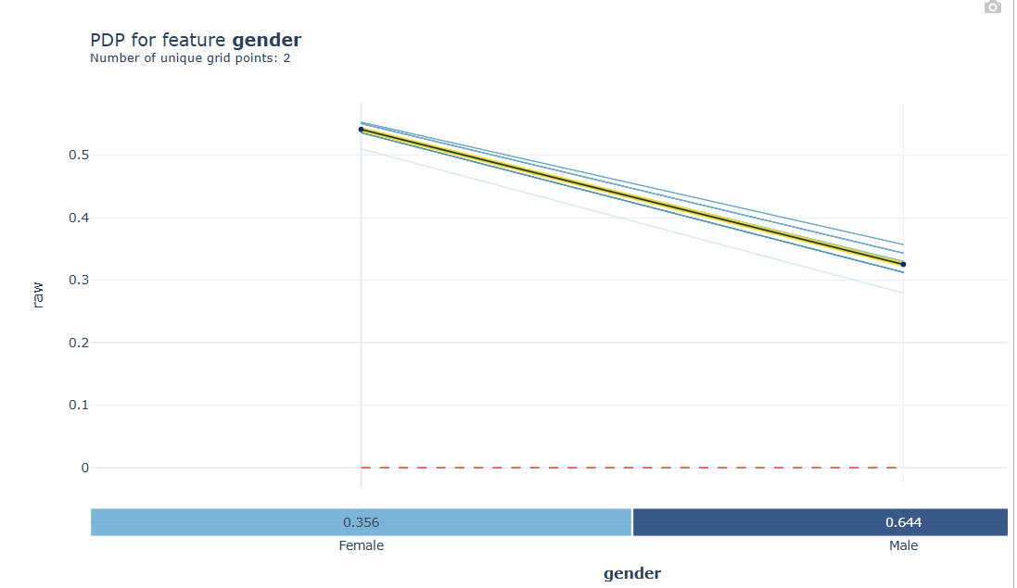
 | pdpbox.pdp.PDPInteract() | pdpbox.pdp.PDPInteract(model, df, model_features, features, feature_names, pred_func=None, n_classes=None, memory_limit=0.5, chunk_size=-1, n_jobs=1, predict_kwds=None, data_transformer=None, num_grid_points=10, grid_types='percentile', percentile_ranges=None, grid_ranges=None, cust_grid_points=None) | Performs Partial Dependence Plot (PDP) analysis for interaction between two features. | pdpbox.pdp.PDPInteract — PDPbox 0.2.1+1.g7fae76b.dirty documentation | p_int = pdp.PDPInteract( model = rf5, # decision model used df = X, # dataset used model_features = X.columns, # list of all columns in dataframe features = ["fare","sex_male"], # This is the field to examine that has a 0/1 dummy value feature_names = ["Fare","Age"] # This is for the title of report) fig, axes = p_int.plot( plot_type="grid", plot_pdp=True, to_bins=True, show_percentile=True, which_classes=None, figsize=None, dpi=300, ncols=2, plot_params=None, engine='plotly', template='plotly_white',) fig | Machine_Learning_Pocket_Ref pg 184 | 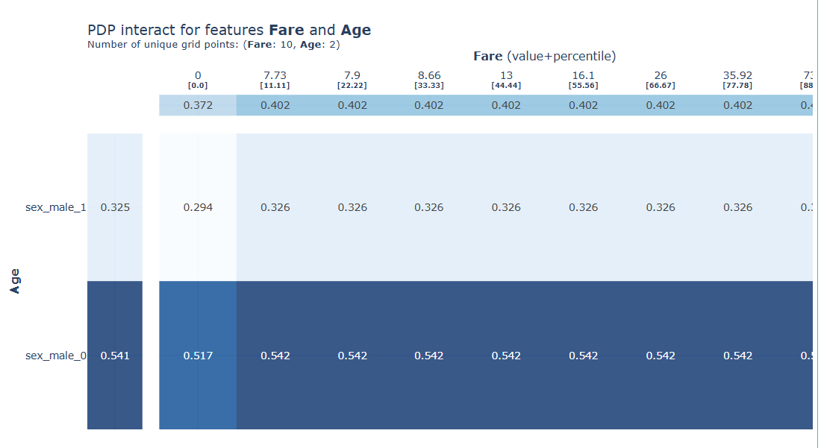

Rfpimp
Rfpimp Plots
Type | Name | Arguments | Description | URL | Examples

Rfpimp | rfpimp.feature_dependence_matrix() | feature_dependence_matrix(X_train, rfrmodel=RandomForestRegressor(n_estimators=50, oob_score=True), rfcmodel=RandomForestClassifier(n_estimators=50, oob_score=True), cat_count=20, zero=0.001, sort_by_dependence=False, n_samples=5000) | Given training observation independent variables in X_train (a dataframe), compute the feature importance using each var as a dependent variable using a RandomForestRegressor or RandomForestClassifier. A RandomForestClassifer is used when the number of the unique values for the dependent variable is less or equal to the cat_count arg. We retrain a random forest for each var as target using the others as independent vars. Only numeric columns are considered. By default, sample up to 5000 observations to compute feature dependencies. If feature importance is less than zero arg, force to 0. Force all negatives to 0.0. Clip to 1.0 max. (Some importances could come back > 1.0 because removing that feature sends R^2 very negative.) | https://github.com/parrt/random-forest-importances/blob/master/src/rfpimp.py | import matplotlib.pyplot as plt from rfpimp import ( plot_dependence_heatmap, feature_dependence_matrix) plot_dependence_heatmap( feature_dependence_matrix(X_train), value_fontsize=12, label_fontsize=14, figsize=(7,7)) fig = plt.gcf() | Machine_Learning_Pocket_Ref pg91
 | rfpimp.plot_dependence_heatmap() | plot_dependence_heatmap(D, color_threshold=0.6, threshold=0.03, cmap=None, figsize=None, value_fontsize=8, label_fontsize=9, precision=2, xrot=70, grid=True) | The heatmap shows how much the prediction of one feature depends on the values of other features. High values indicate strong dependence. | random-forest-importances/src/rfpimp.py at master · parrt/random-forest-importances · GitHub | import matplotlib.pyplot as plt from rfpimp import ( plot_dependence_heatmap, feature_dependence_matrix) plot_dependence_heatmap( feature_dependence_matrix(X_train), value_fontsize=12, label_fontsize=14, figsize=(7,7)) fig = plt.gcf() | Machine_Learning_Pocket_Ref pg91 | 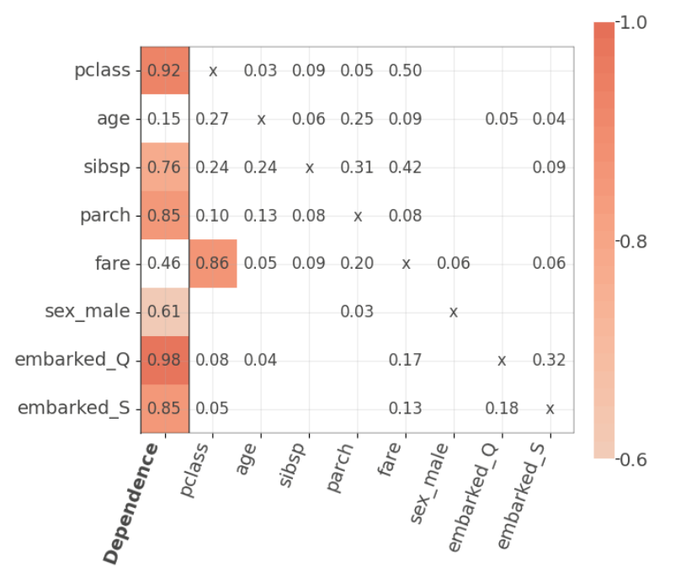
 | rfpimp.importances() | importances(model, X_valid, y_valid, features=None, n_samples=5000, sort=True, metric=None, sample_weights = None) | Compute permutation feature importances for scikit-learn models using a validation set. Given a Classifier or Regressor in model and validation X and y data, return a data frame with columns Feature and Importance sorted in reverse order by importance. The validation data is needed to compute model performance measures (accuracy or R^2). The model is not retrained. | random-forest-importances/src/rfpimp.py at master · parrt/random-forest-importances · GitHub | import rfpimp rf = RandomForestClassifier(random_state=42) rf.fit(X_train, y_train) rfpimp.importances(rf, X_test, y_test).Importance | Machine_Learning_Pocket_Ref pg132 | 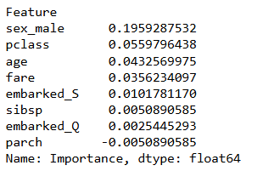

Seaborn
Seaborn |  | univariate | multivariate |  | both univariate and multivariate
Type | Name | Arguments | Description | Notes | URL | Examples | Reference
Set Theme | seaborn.set_theme() | seaborn.set_theme(context='notebook', style='darkgrid', palette='deep', font='sans-serif', font_scale=1, color_codes=True, rc=None) | Set aspects of the visual theme for all matplotlib and seaborn plots. This function changes the global defaults for all plots using the matplotlib rcParams system. The themeing is decomposed into several distinct sets of parameter values. |  | seaborn.set_theme — seaborn 0.13.2 documentation | sns.set_theme() | GL_Unsupervised_Wk2_TSNE

FacetGrid | seaborn.FacetGrid() | seaborn.FacetGrid(data, *, row=None, col=None, hue=None, col_wrap=None, sharex=True, sharey=True, height=3, aspect=1, palette=None, row_order=None, col_order=None, hue_order=None, hue_kws=None, dropna=False, legend_out=True, despine=True, margin_titles=False, xlim=None, ylim=None, subplot_kws=None, gridspec_kws=None) | Multi-plot grid for plotting conditional relationships. Creates a plot for each unique value in a column |  | seaborn.FacetGrid — seaborn 0.13.2 documentation (pydata.org) | # To create multiple charts at once g = sns.FacetGrid(df, col="body_style") g.map(sns.histplot, "price"); | GL_Wk3_PythonVisualization
 | FacetGrid.map() | FacetGrid.map(func, *args, **kwargs) | Apply a plotting function to each facet’s subset of the data. Include the type of seaborn plot to create in this function |  | seaborn.FacetGrid.map — seaborn 0.13.2 documentation (pydata.org) | g = sns.FacetGrid(df, col="body_style") g.map(sns.histplot, "price"); sns.FacetGrid(df, col="body_style").map(sns.histplot, "price");
 | FacetGrid.set_axis_labels() | FacetGrid.set_axis_labels(x_var=None, y_var=None, clear_inner=True, **kwargs) | Set axis labels on the left column and bottom row of the grid. |  | seaborn.FacetGrid.set_axis_labels — seaborn 0.13.2 documentation (pydata.org) | ax.set_axis_labels('Converted','Count') | GL_Stats_Learner_Project
 | FacetGrid.set_titles() | FacetGrid.set_titles(template=None, row_template=None, col_template=None, **kwargs) | Draw titles either above each facet or on the grid margins. Add titles to each multi-column report |  | seaborn.FacetGrid.set_titles — seaborn 0.13.2 documentation (pydata.org) | ax.set_titles('Preferred Language - {col_name}') | GL_Stats_Learner_Project

Seaborn Plot Styles | seaborn.axes_style() | seaborn.axes_style(style=None, rc=None) | Get the parameters that control the general style of the plots. The style parameters control properties like the color of the background and whether a grid is enabled by default. This is accomplished using the matplotlib rcParams system. |  | seaborn.axes_style — seaborn 0.13.2 documentation (pydata.org) | sns.axes_style('whitegrid') sns.axes_style() sns.axes_style("darkgrid") | GL_Wk3_Visualizations
 | seaborn.load_dataset() | seaborn.load_dataset(name, cache=True, data_home=None, **kws) | Load an example dataset from the online repository (requires internet). This function provides quick access to a small number of example datasets that are useful for documenting seaborn or generating reproducible examples for bug reports. It is not necessary for normal usage. Note that some of the datasets have a small amount of preprocessing applied to define a proper ordering for categorical variables. |  | seaborn.load_dataset — seaborn 0.13.2 documentation (pydata.org) | Name of the dataset ({name}.csv on https://github.com/mwaskom/seaborn-data). flights = sns.load_dataset("flights") fmri = sns.load_dataset("fmri") | GL_Wk3_Visualizations
 | seaborn.reset_orig() | seaborn.reset_orig() | Restore all RC params to original settings (respects custom rc). |  | seaborn.reset_orig — seaborn 0.13.2 documentation | sns.reset_orig() | Dive_Into_Data_Science pg71
 | seaborn.set_style() | seaborn.set_style(style=None, rc=None) | Set the parameters that control the general style of the plots. The style parameters control properties like the color of the background and whether a grid is enabled by default. This is accomplished using the matplotlib rcParams system. The options are illustrated in the aesthetics tutorial. See axes_style() to get the parameter values. |  | seaborn.set_style — seaborn 0.13.2 documentation (pydata.org) | sns.set(style="darkgrid") sns.set(style="whitegrid") sns.set(style="white") sns.set_style("whitegrid")
 | seaborn.despine() |  |  |  | Bivariate Data Exploration with Matplotlib & Seaborn | by Tristen Wallace | Medium | # Remove border box sns.despine(trim=True, left=True);

Seaborn Plots | seaborn.barplot() | add in
 | seaborn.boxplot() | seaborn.boxplot(data=None, *, x=None, y=None, hue=None, order=None, hue_order=None, orient=None, color=None, palette=None, saturation=0.75, fill=True, dodge='auto', width=0.8, gap=0, whis=1.5, linecolor='auto', linewidth=None, fliersize=None, hue_norm=None, native_scale=False, log_scale=None, formatter=None, legend='auto', ax=None, **kwargs) | Draw a box plot to show distributions with respect to categories. A box plot (or box-and-whisker plot) shows the distribution of quantitative data in a way that facilitates comparisons between variables or across levels of a categorical variable. The box shows the quartiles of the dataset while the whiskers extend to show the rest of the distribution, except for points that are determined to be “outliers” using a method that is a function of the inter-quartile range. | A boxplot, or a box-and-whisker plot, shows the distribution of numerical data and skewness through displaying the data quartile It is also called a five-number summary plot, where the five-number summary includes the minimum value, first quartile, median, third quartile, and the maximum value. Though boxplot visually summarizes variation in large datasets, it is unable to show multimodality and clusters. | seaborn.boxplot — seaborn 0.13.2 documentation (pydata.org) | sns.boxplot(data=df, x='curb_weight'); sns.boxplot(data=df, x='price'); sns.boxplot(data=df, x='body_style', y='price') ; sns.boxplot(data=df, x='bore'); ----------------------------------------- # To change the outliers (fliers) color, size, shape flierprops = dict(marker='o', markerfacecolor='Red', markersize=10) ax = sns.boxplot(data=abtest,x=att,y='time_spent_on_the_page', flierprops=flierprops) ----------------------------------------------- # showfliers parameter controls the representation of outliers in the boxplot sns.boxplot(data=data,x='Distance_bins',y='Price',showfliers=False) --------------------------------------------------- fig, ax = plt.subplots(figsize=(10,6)) sns.boxplot(data=hour, x='hr', y='registered') plt.xlabel("Hour") plt.ylabel("Count") plt.title("Counts by Hour") | GL_Wk3_PythonVisualizations GL_Stats_Learner_Project GL_Wk4_Notebook Dive_into_Data_Science pg17 | 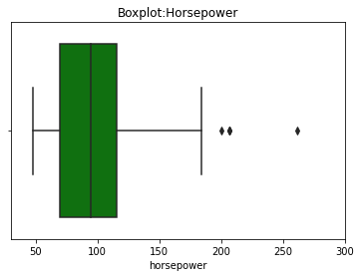 | 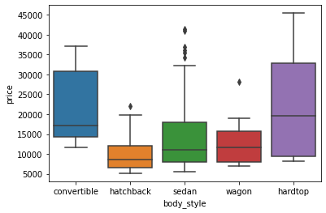 | 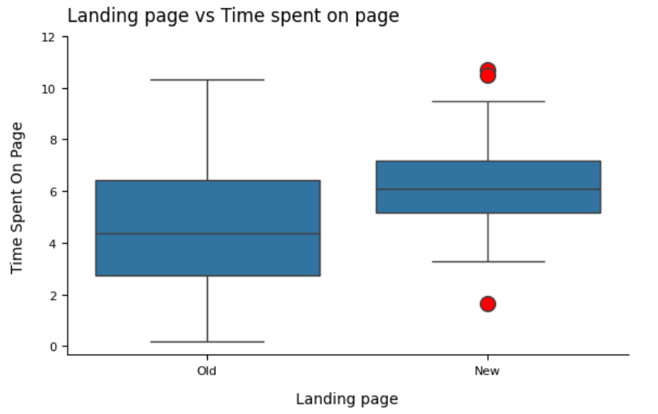 | 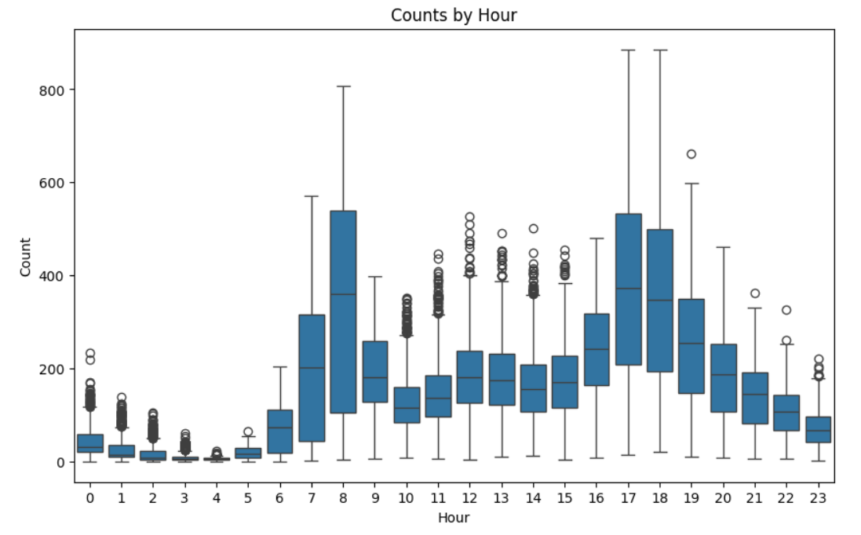
 | seaborn.catplot() | seaborn.catplot(data=None, *, x=None, y=None, hue=None, row=None, col=None, kind='strip', estimator='mean', errorbar=('ci', 95), n_boot=1000, seed=None, units=None, weights=None, order=None, hue_order=None, row_order=None, col_order=None, col_wrap=None, height=5, aspect=1, log_scale=None, native_scale=False, formatter=None, orient=None, color=None, palette=None, hue_norm=None, legend='auto', legend_out=True, sharex=True, sharey=True, margin_titles=False, facet_kws=None, ci=<deprecated>, **kwargs) | Figure-level interface for drawing categorical plots onto a FacetGrid This function provides access to several axes-level functions that show the relationship between a numerical and one or more categorical variables using one of several visual representations. The kind parameter selects the underlying axes-level function to use. The catplot() function provides a new framework giving access to several types of plots that show relationship between numerical variable and one or more categorical variables. Catplots supports 8 different plots including stripplot(), swarmplot(), boxplot() and more, with the default kind being 'strip'. | The catplot() function provides a new framework giving access to several types of plots that show relationship between numerical variable and one or more categorical variables. Catplots supports 8 different plots including stripplot(), swarmplot(), boxplot() and more, with the default kind being 'strip'. We can set kind='point' to create a pointplot using the catplot() function A pointplot helps us to see how the main relationship is changing as a function of the second variable. Catplot is very useful to draw categorical plots onto a FacetGrid by assigning a third variable to the col parameter. | seaborn.catplot — seaborn 0.13.2 documentation (pydata.org) | sns.catplot(data=df, x='fuel_type', y='horsepower'); sns.catplot(data=df, x='body_style', y='horsepower', hue='fuel_type', kind='point'); sns.catplot(data=df, x="fuel_type", y="horsepower", hue="number_of_doors", col="drive_wheels", kind='bar', palette='pastel'); sns.catplot(data=df, x="fuel_type", y="engine_size", hue="body_style", col="number_of_doors", kind='box', palette='bright'); sns.catplot(data=df, x="number_of_doors", y="price", hue="body_style", col="fuel_type", kind='swarm', palette='muted'); ------------------------------------------------------------------- # To order the hue of a catplot ax = sns.catplot(data=abtest_new_summary, x='converted', y='record_count', hue='landing_page', col='language_preferred', kind='bar', palette="Blues", hue_order=['old','new']) ------------------------------------------------------------------ sns.catplot(x='year', y='totalprod', data=honeyprod, estimator=sum, col='state', kind="point", col_wrap = 5); | GL_Wk3_Visualizations GL_Wk3_Honey | 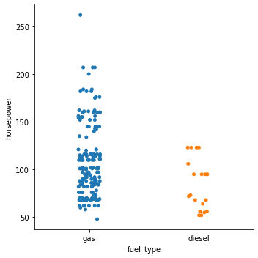 | 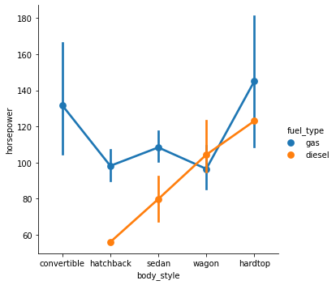 |  |  | 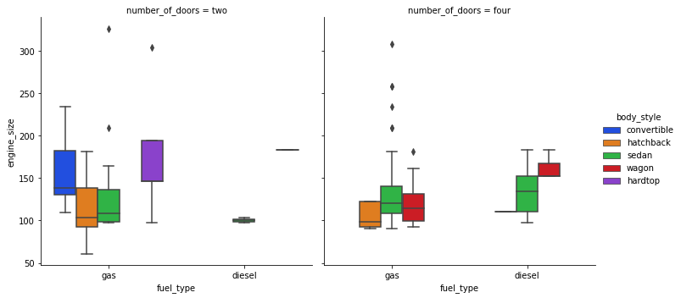 | 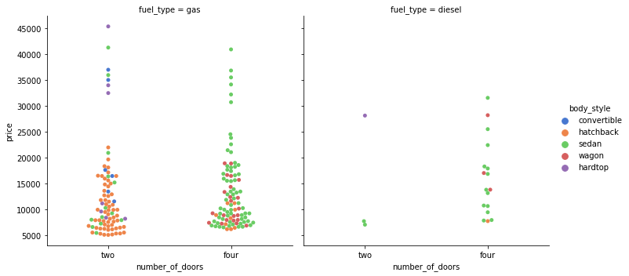
 | seaborn.catplot() continued |  |  |  |  | cplot1=sns.catplot(x='year', y='numcol', data=honeyprod[honeyprod["state"].isin(["North Dakota","California","South Dakota","Florida","Montana"])], estimator=sum, col='state', kind="point", col_wrap = 5) ------------------------------------------- sns.catplot(x='Price', col='Regionname', data=data, col_wrap=4, kind="violin") | GL_Wk3_Honey GL_Wk4_Notebook
 | seaborn.countplot() | seaborn.countplot(data=None, *, x=None, y=None, hue=None, order=None, hue_order=None, orient=None, color=None, palette=None, saturation=0.75, fill=True, hue_norm=None, stat='count', width=0.8, dodge='auto', gap=0, log_scale=None, native_scale=False, formatter=None, legend='auto', ax=None, **kwargs) | Show the counts of observations in each categorical bin using bars. A count plot can be thought of as a histogram across a categorical, instead of quantitative, variable. The basic API and options are identical to those for barplot(), so you can compare counts across nested variables. | A bar graph is generally used to show the counts of observations in each bin (or level or group) of categorical variable using bars. We can use the countplot() function of seaborn to plot a bar graph. We can also make the plot more granular by specifying the hue parameter to display counts for subgroups. | seaborn.countplot — seaborn 0.13.2 documentation (pydata.org) | sns.countplot(data=df, x='body_style'); sns.countplot(data=df, x='body_style', hue='fuel_type); sns.countplot(data=df, x='make'); sns.countplot(data=df, x='make'); sns.countplot(data=df, x='engine_type',hue='fuel_type'); --------------------------------------------------------- # Counts for ratings cr_cnt = df.CreditRating.value_counts(sort=False) # % of total for ratings cr_pct = df.CreditRating.value_counts(normalize=True, sort=False)*100 cr_pct = cr_pct.round(2) # Plot bar chart for credit ratings sns.countplot(data=df, y="CreditRating", color=color) # Loop to append % values as text to bars for i, count in enumerate(cr_cnt): # Convert percentage into string pct_str = '{}%'.format(cr_pct[i]) plt.text(count-400, i, pct_str, va='center', ha='right', size='x-small', color='white'); -------------------------------------------------------- sns.countplot(data=data,x='Regionname') | GL_Wk3_Visualizations GL_Wk4_Notebook | 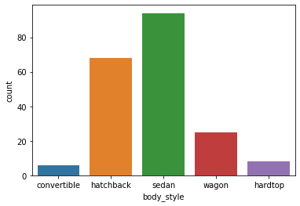 | 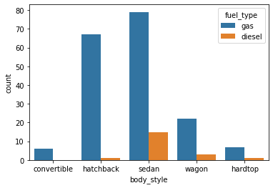 | 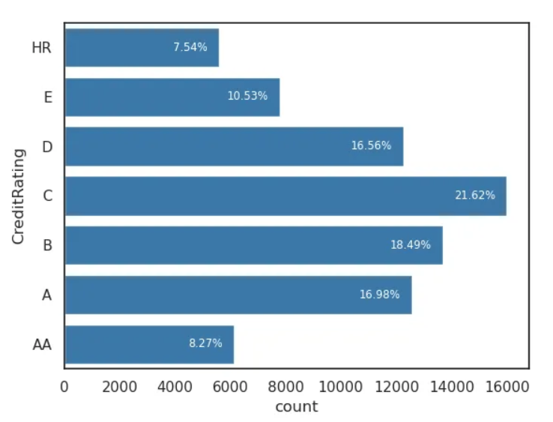
 | seaborn.countplot() cont'd |  |  |  |  | # n: displays the top n category levels (default is None, i.e., display all levels) ax = sns.countplot(data=data, x=feature, hue=feature, palette="Paired", order=data[feature].value_counts().index[:n] | GL_Supervised_Wk1_Anime
 | seaborn.displot() | seaborn.displot(data=None, *, x=None, y=None, hue=None, row=None, col=None, weights=None, kind='hist', rug=False, rug_kws=None, log_scale=None, legend=True, palette=None, hue_order=None, hue_norm=None, color=None, col_wrap=None, row_order=None, col_order=None, height=5, aspect=1, facet_kws=None, **kwargs) | Figure-level interface for drawing distribution plots onto a FacetGrid. This function provides access to several approaches for visualizing the univariate or bivariate distribution of data, including subsets of data defined by semantic mapping and faceting across multiple subplots. The kind parameter selects the approach to use: histplot() (with kind="hist"; the default) kdeplot() (with kind="kde") ecdfplot() (with kind="ecdf"; univariate-only) |  | seaborn.displot — seaborn 0.13.2 documentation (pydata.org) | sns.displot(debugging["Time Taken to fix the bug"], kde=True) sns.displot(sample_means, kde='True') sns.displot(data=data,x='Landsize',kind='kde') sns.displot(drug['time_of_effect'],kind="kde") | GL_Stats_Wk1_Uniform_distribution GL_Stats_Wk1_Medicon GL_Stats_Wk2_Notebook GL_Stats_Wk4_Notebook | 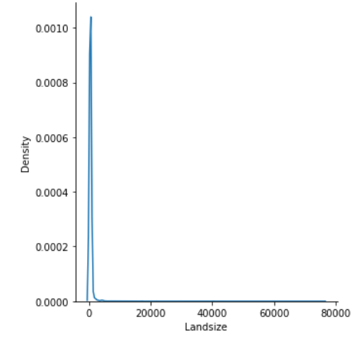 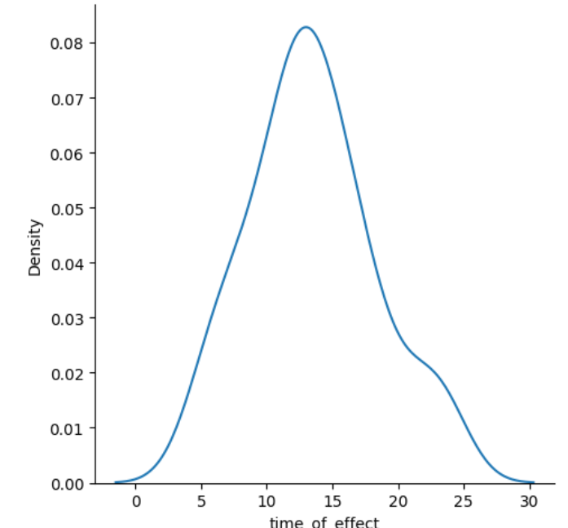
 | seaborn.ecdfplot() | seaborn.ecdfplot(data=None, *, x=None, y=None, hue=None, weights=None, stat='proportion', complementary=False, palette=None, hue_order=None, hue_norm=None, log_scale=None, legend=True, ax=None, **kwargs) | Plot empirical cumulative distribution functions. An ECDF represents the proportion or count of observations falling below each unique value in a dataset. Compared to a histogram or density plot, it has the advantage that each observation is visualized directly, meaning that there are no binning or smoothing parameters that need to be adjusted. It also aids direct comparisons between multiple distributions. A downside is that the relationship between the appearance of the plot and the basic properties of the distribution (such as its central tendency, variance, and the presence of any bimodality) may not be as intuitive. |  | seaborn.ecdfplot — seaborn 0.13.2 documentation | fig, axes = plt.subplots(3, 2, figsize=(20, 15)) fig.suptitle("CDF plot of numerical variables", fontsize=20) counter = 0 for ii in range(3): sns.ecdfplot(ax=axes[ii][0], x=df[num_col[counter]]) counter = counter + 1 if counter != 5: sns.ecdfplot(ax=axes[ii][1], x=df[num_col[counter]]) counter = counter + 1 else: pass | GL_Unsupervised_Wk2_Tourism
 | seaborn.Facetgrid() | seaborn.FacetGrid(data, *, row=None, col=None, hue=None, col_wrap=None, sharex=True, sharey=True, height=3, aspect=1, palette=None, row_order=None, col_order=None, hue_order=None, hue_kws=None, dropna=False, legend_out=True, despine=True, margin_titles=False, xlim=None, ylim=None, subplot_kws=None, gridspec_kws=None) | Multi-plot grid for plotting conditional relationships. |  | seaborn.FacetGrid — seaborn 0.13.2 documentation | # Create a 3 column histogram g = sns.FacetGrid(data=results, col='type', col_wrap=3, height=2, aspect=2) g.map(plt.hist, 'income', range=[0,200000], bins=40) g.set_axis_labels("Income","Count") g.set_titles('{col_name}') # this is associated with the col='type' plt.show() | Practical_Statistics pg58
 | seaborn.Facetgrid().map() | FacetGrid.map(func, *args, **kwargs) | Apply a plotting function to each facet’s subset of the data. |  | seaborn.FacetGrid.map — seaborn 0.13.2 documentation | # Create a 3 column histogram g = sns.FacetGrid(data=results, col='type', col_wrap=3, height=2, aspect=2) g.map(plt.hist, 'income', range=[0,200000], bins=40) g.set_axis_labels("Income","Count") g.set_titles('{col_name}') # this is associated with the col='type' plt.show() | Practical_Statistics pg58
 | seaborn.Facetgrid().set_axis_labels() | FacetGrid.set_axis_labels(x_var=None, y_var=None, clear_inner=True, **kwargs) | Set axis labels on the left column and bottom row of the grid. |  | seaborn.FacetGrid.set_axis_labels — seaborn 0.13.2 documentation | # Create a 3 column histogram g = sns.FacetGrid(data=results, col='type', col_wrap=3, height=2, aspect=2) g.map(plt.hist, 'income', range=[0,200000], bins=40) g.set_axis_labels("Income","Count") g.set_titles('{col_name}') # this is associated with the col='type' plt.show() | Practical_Statistics pg58
 | seaborn.Facetgrid().set_titles() | FacetGrid.set_titles(template=None, row_template=None, col_template=None, **kwargs) | Draw titles either above each facet or on the grid margins. |  | seaborn.FacetGrid.set_titles — seaborn 0.13.2 documentation | # Create a 3 column histogram g = sns.FacetGrid(data=results, col='type', col_wrap=3, height=2, aspect=2) g.map(plt.hist, 'income', range=[0,200000], bins=40) g.set_axis_labels("Income","Count") g.set_titles('{col_name}') # this is associated with the col='type' plt.show() | Practical_Statistics pg58
 | seaborn.heatmap() | seaborn.heatmap(data, *, vmin=None, vmax=None, cmap=None, center=None, robust=False, annot=None, fmt='.2g', annot_kws=None, linewidths=0, linecolor='white', cbar=True, cbar_kws=None, cbar_ax=None, square=False, xticklabels='auto', yticklabels='auto', mask=None, ax=None, **kwargs) | Plot rectangular data as a color-encoded matrix. This is an Axes-level function and will draw the heatmap into the currently-active Axes if none is provided to the ax argument. Part of this Axes space will be taken and used to plot a colormap, unless cbar is False or a separate Axes is provided to cbar_ax. | A heatmap is a graphical representation of data as a color-encoded matrix. It is a great way of representing the correlation for each pair of columns in the data. The heatmap() function of seaborn helps us to create such a plot. We can set the annot parameter to True for displaying the numeric value in each cell. To remove the color bar, the cbar parameter can be set to False. We can apply a different colormap with the cmap parameter for better visual appeal. | seaborn.heatmap — seaborn 0.13.2 documentation (pydata.org) | sns.heatmap(data=df[['wheel_base','curb_weight','engine_size','price']].corr()); sns.heatmap(data=df[['wheel_base','curb_weight','engine_size','price']].corr(), annot=True, cbar=False); sns.heatmap(data=df[['wheel_base','curb_weight','engine_size','price']].corr(), annot=True, cmap='YlGnBu'); sns.heatmap(correlation, annot=True, cmap="Spectral"); sns.heatmap(data=tips[['total_bill','tip','size']].corr(), annot=True, cmap='YlGnBu'); sns.heatmap(data.corr(),annot=True,cmap='Spectral',vmin=-1,vmax=1) ---------------------------------------------------------------------------------- #heatmap using categorical data contingency_tbl = pd.crosstab(adult_df['occupation'], adult_df['race']) probability_tbl = contingency_tbl/contingency_tbl.sum() sns.heatmap(probability_tbl, annot=True, center=0.5, cmap='Greys') | GL_Wk3_Visualizations GL_Wk3_Honey GL_Wk3_Tips GL_Wk4_Notebook ddp pg137-140 | 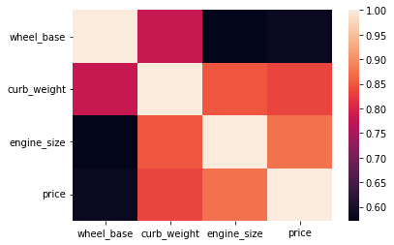 | 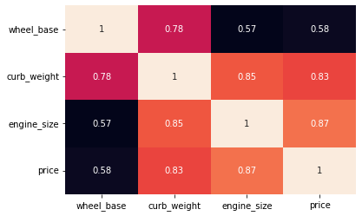 | 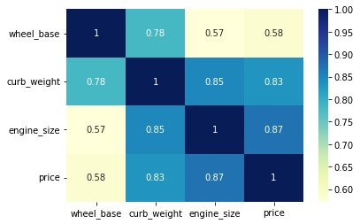 | 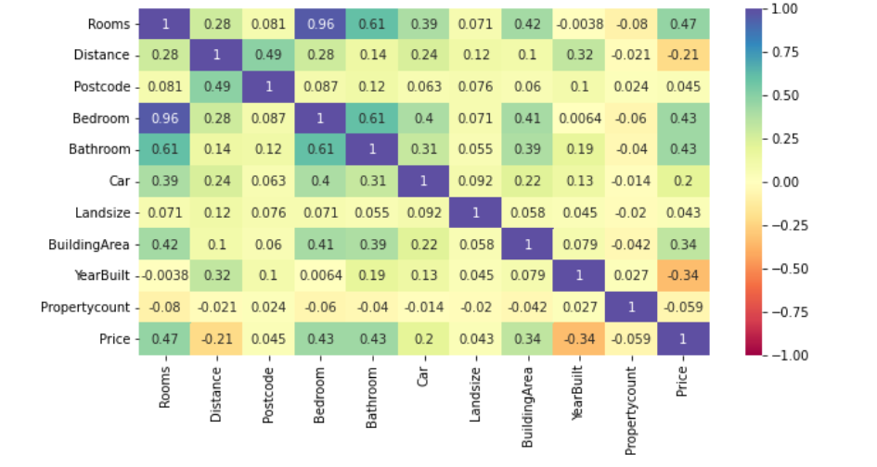 | 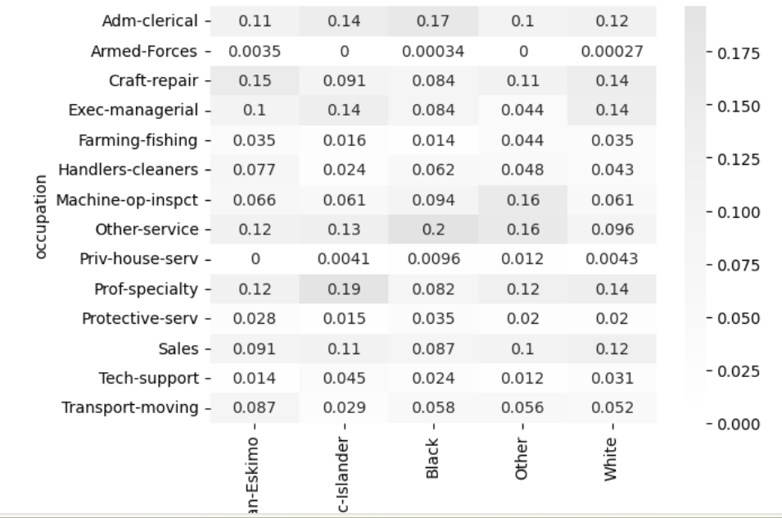
 | seaborn.heatmap() cont'd |  |  |  |  | # show the relationship between a numerical and categorical attributes age_discretized = pd.cut(adult_df.age, bins=5) contingency_tbl = pd.crosstab(age_discretized, adult_df.race) probability_tbl = contingency_tbl/contingency_tbl.sum() sns.heatmap(probability_tbl, annot=True) plt.show() ------------------------------------------------------------ plt.figure(figsize=(12, 7)) sns.heatmap( df[num_cols].corr(), annot=True, vmin=-1, vmax=1, fmt=".2f", cmap="Spectral") plt.show() ----------------------------------------------------------- plt.figure(figsize=(20,10)) sns.heatmap(data.corr(numeric_only=True),annot=True, vmin=-1, vmax=1, fmt='.2f', cmap="Spectral") plt.show() | ddp pg140-141 GL_Supervised Wk1_Anime GL_Ensemble_Wk1_HR | 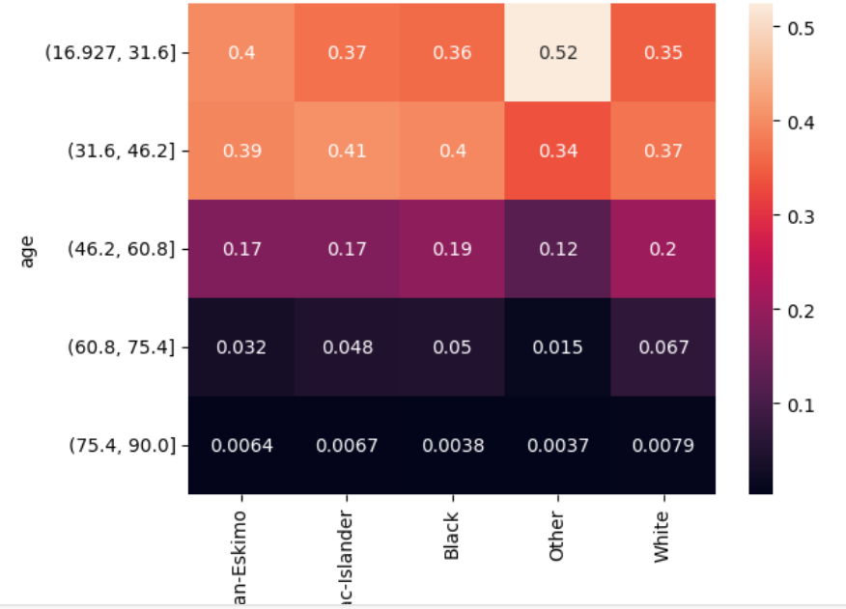
 | seaborn.heatmap() cont'd |  |  |  |  | # Create a heatmap showing which cells in the dataframe have missing values sns.heatmap(df.isna()) # Add title plt.title('Heatmap of MIssing Values') ---------------------------------------------------- #Create a pivot table df_hm = hour.pivot_table(index='hr', columns='weekday', values='count') #draw a heatmap plt.figure(figsize=(10,5)) sns.heatmap(df_hm, fmt="d", cmap='binary', linewidth=0.5, vmin=0) | GL_Learner_Project Dive_into_Data_Science pg27 | 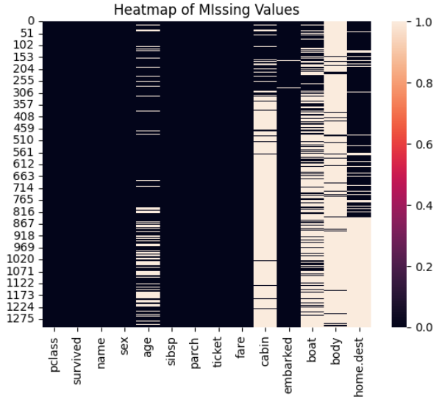
 | seaborn.histplot() | seaborn.histplot(data=None, *, x=None, y=None, hue=None, weights=None, stat='count', bins='auto', binwidth=None, binrange=None, discrete=None, cumulative=False, common_bins=True, common_norm=True, multiple='layer', element='bars', fill=True, shrink=1, kde=False, kde_kws=None, line_kws=None, thresh=0, pthresh=None, pmax=None, cbar=False, cbar_ax=None, cbar_kws=None, palette=None, hue_order=None, hue_norm=None, color=None, log_scale=None, legend=True, ax=None, **kwargs) | A histogram is a univariate plot which helps us understand the distribution of a continuous numerical variable. It breaks the range of the continuous variables into a intervals of equal length and then counts the number of observations in each interval. Plot univariate or bivariate histograms to show distributions of datasets. A histogram is a classic visualization tool that represents the distribution of one or more variables by counting the number of observations that fall within discrete bins. This function can normalize the statistic computed within each bin to estimate frequency, density or probability mass, and it can add a smooth curve obtained using a kernel density estimate, similar to kdeplot() | We can specify the number of intervals (or groups or bins) to create by setting the bins parameter. If we want to specify the width of the intervals (or groups or bins), we can use binwidth parameter. A histogram is said to be symmetric if the left-hand and right-hand sides resemble mirror images of each other when the histogram is cut down the middle. The tallest clusters of bars, i.e., peaks, in a histogram represent the modes of the data. A histogram skewed to the right has a large number of occurrences on the left side of the plot and a few on the right side of the plot. Similarly, a histogram skewed to the left has a large number of occurrences on the right side of the plot and few on the left side of the plot. Histograms are intuitive but it is hardly a good choice when we want to compare the distributions of several groups | seaborn.histplot — seaborn 0.13.2 documentation (pydata.org) | sns.histplot(data=df, x='price') sns.histplot(data=df, x='price',color='orange') sns.histplot(data=df, x='price', bins=5) sns.histplot(data=df, x='price', binwidth=20) sns.histplot(data=df, x='price', kde=True); sns.histplot(data=df, x='price', bins=700, kde=True); sns.histplot(data=df, x='curb_weight', kde=True); sns.histplot(data=df, x='horsepower', kde=True); sns.histplot(data=df, x='price', hue='body_style', kde=True); sns.histplot(data=df, x='bore',kde = True); -------------------------------------------------- density = pd.DataFrame() # create an empty DataFrame density["x"] = np.linspace(sat_score["score"].min(), sat_score["score"].max(), 100) # create an array of 100 numbers in between the min and max score range and store it in the first column of the empty DataFrame density["pdf"] = norm.pdf(density["x"], mu, sigma) # calculate the pdf() of the created numbers and store it in another column named 'pdf' fig, ax = plt.subplots() # create the subplot sns.histplot(sat_score["score"], ax=ax, kde=True, stat="density") # plot the distribution of data using histogram ax.plot(density["x"], density["pdf"], color="red") # plot the pdf of the normal distribution | GL_Wk3_Visualizations | 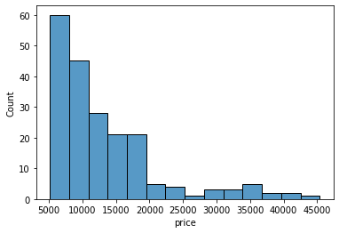 | 
 | seaborn.jointplot() | seaborn.jointplot(data=None, *, x=None, y=None, hue=None, kind='scatter', height=6, ratio=5, space=0.2, dropna=False, xlim=None, ylim=None, color=None, palette=None, hue_order=None, hue_norm=None, marginal_ticks=False, joint_kws=None, marginal_kws=None, **kwargs) | A jointplot helps to quickly visualize the bivariate and univariate profiles on the same plot. This is intended to be a fairly lightweight wrapper; if you need more flexibility, you should use JointGrid directly. It comprises three plots - one displays the relationship between two variables while the other two show the individual distribution of each variable in the margins One of the drawbacks of scatterplots is the overlapping of points. When we have large volumes of data to plot, the data points in the plot overlap with each other, making it difficult to interpret the data. In such cases, we can divide the entire plot into bins using different shapes (square, triangle, hexagon, etc.) and then try to see the number of data points falling within each of the bins. seaborn's jointplot() provides a 'hex' kind to plot the data in above-mentioned way. | A jointplot helps to quickly visualize the bivariate and univariate profiles on the same plot. It comprises three plots - one displays the relationship between two variables while the other two show the individual distribution of each variable in the margins. The jointplot() function of seaborn can be used to create a jointplot. We can create a hexbin plot by setting kind="hex".* It actually splits the plotting window into several hexagons and the colour of each hexagon denotes the number of data points in it. By default, jointplot() creates a scatter plot to show the relationship between two variables and individual histograms are created in x and y axis margins for each of the variables. One of the drawbacks of scatterplots is the overlapping of points. When we have large volumes of data to plot, the data points in the plot overlap with each other, making it difficult to interpret the data. In such cases, we can divide the entire plot into bins using different shapes (square, triangle, hexagon, etc.) and then try to see the number of data points falling within each of the bins. seaborn's jointplot() provides a 'hex' kind to plot the data in above-mentioned way. | seaborn.jointplot — seaborn 0.13.2 documentation (pydata.org) | sns.jointplot(data=df, x='engine_size', y='horsepower'); sns.jointplot(data=df, x='engine_size', y='horsepower', kind="hex"); sns.jointplot(data=df, x='engine_size', y='horsepower', kind="kde", fill=True); sns.jointplot(data=df, x='price', y='city_mpg', kind="reg"); #reg for regression We can plot various types of jointplotLinks to an external site. by using the kind attribute. The kind attribute accepts the following keywords: 'kde' for kde plot 'scatter' for scatter plot 'hist' for hist plot 'reg' for regression plot 'hex' for hex plot | GL_Wk3_Visualizations GL_Stats_Wk2_Notebook | 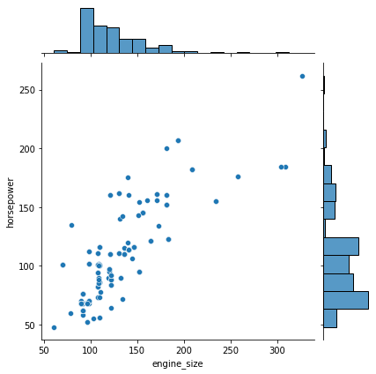 | 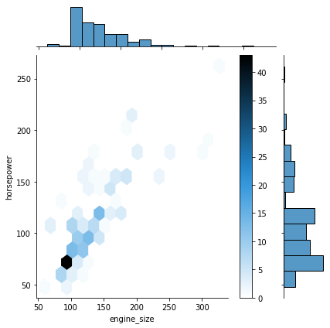 | 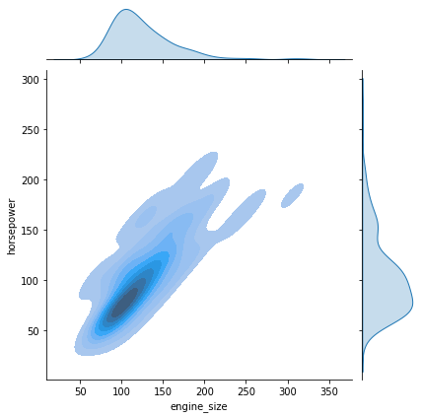 | 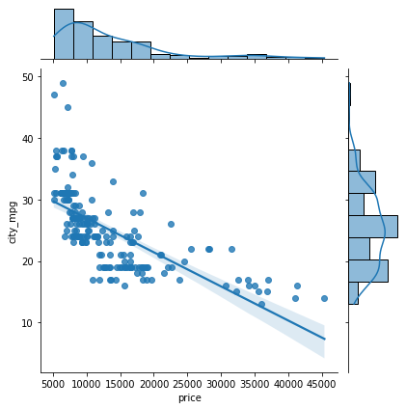
 | seaborn.jointplot() cont'd |  | **We can also create a kde plot by setting kind="kde".**. A KDE jointplot also uses color to determine where observations are the most dense. It creates a continuous plot using probabilities of new data should be introduced. By using kind = "reg", we can use the joint point to find the best line or curve that fits the plot. | **We can also create a kde plot by setting kind="kde".**. A KDE jointplot also uses color to determine where observations are the most dense. It creates a continuous plot using probabilities of new data should be introduced. By using kind = "reg", we can use the joint point to find the best line or curve that fits the plot.
 | seaborn.kdeplot() | 0 | Plot univariate or bivariate distributions using kernel density estimation. A kernel density estimate (KDE) plot is a method for visualizing the distribution of observations in a dataset, analogous to a histogram. KDE represents the data using a continuous probability density curve in one or more dimensions. The approach is explained further in the user guide. Relative to a histogram, KDE can produce a plot that is less cluttered and more interpretable, especially when drawing multiple distributions. But it has the potential to introduce distortions if the underlying distribution is bounded or not smooth. Like a histogram, the quality of the representation also depends on the selection of good smoothing parameters. | KDE plots (Kernel Density Estimate plots) are a valuable tool for visualizing the distribution of a dataset and are particularly useful when you want to understand the shape of the data without being constrained by the binning of histograms. Not used for small data sets | seaborn.kdeplot — seaborn 0.13.2 documentation | # Create a kdeplot of the data fig, ax = plt.subplots(figsize=(4, 4)) ax = sns.kdeplot(data=kc_tax0.sample(1000), x="SqFtTotLiving", y="TaxAssessedValue", ax=ax) ax.set_xlabel("Finished Square Feet") ax.set_ylabel("Tax-ASsessed Value") plt.tight_layout() plt.show() | Practical_Statistics pg38 | 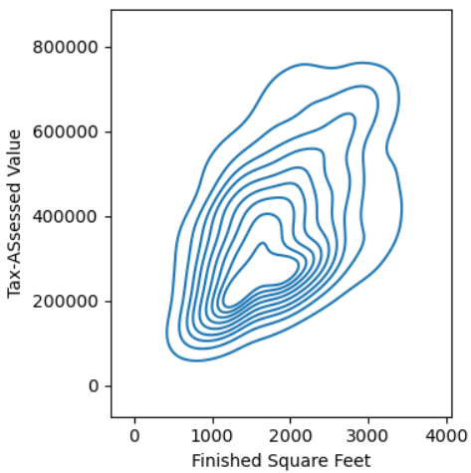
 | seaborn.lineplot() | seaborn.lineplot(data=None, *, x=None, y=None, hue=None, size=None, style=None, units=None, weights=None, palette=None, hue_order=None, hue_norm=None, sizes=None, size_order=None, size_norm=None, dashes=True, markers=None, style_order=None, estimator='mean', errorbar=('ci', 95), n_boot=1000, seed=None, orient='x', sort=True, err_style='band', err_kws=None, legend='auto', ci='deprecated', ax=None, **kwargs) | Draw a line plot with possibility of several semantic groupings. The light blue shaded area is actually the 'confidence interval' of the y-value estimates for each x-axis value. The confidence interval is a range of values around that estimate that are believed to contain the true value of that estimate with a certain probability. | Suppose, your dataset has multiple y values for each x value. A lineplot is a great way to visualize this. This type of data often shows up when we have data that evolves over time, for example, when we have monthly data over several years. If we want to compare the individual months, then a line plot is a great option. This is sometimes called seasonality analysis. A line plot uses straight lines to connect individual data points to display a trend or pattern in the data. For example, seasonal effects and large changes over time. The lineplot() function of seaborn, by default, aggregates over multiple y values at each value of x and uses an estimate of the central tendency for the plot. The light blue shaded area is actually the 'confidence interval' of the y-value estimates for each x-axis value. lineplot() assumes that you are most often trying to draw y as a function of x. So, by default, it sorts the data by the x values before plotting. The confidence interval is a range of values around that estimate that are believed to contain the true value of that estimate with a certain probability. We can change the style of the lines by adding 'style' parameter to the function. We can also add markers at each observation to identify groups in a better way. Note that, unlike barplots and histograms, line plots may not include a zero baseline. We create a line chart is to emphasize changes in value, rather than the magnitude of the values themselves, and hence, a zero line is not meaningful. | seaborn.lineplot — seaborn 0.13.2 documentation (pydata.org) | sns.lineplot(data=flights, x='month', y='passengers', errorbar=('ci', False)); sns.lineplot(data=fmri, x='timepoint', y='signal', hue='region', errorbar = ('ci',False), style='region'); sns.lineplot(data=fmri, x='timepoint', y='signal', hue='region', style='region', errorbar=('ci',False), markers = True); sns.lineplot(data = flights , x = 'month' , y = 'passengers'); sns.lineplot(data = flights , x = 'month' , y = 'passengers', ci = False); sns.lineplot(data=flights,x = 'month' , y = 'passengers', ci = False ,hue='year'); sns.lineplot(data = fmri, x="timepoint", y="signal", hue="region", style="region", ci = False); sns.lineplot(data = fmri, x="timepoint", y="signal", hue="region", style="region", ci = False, markers = True); sns.lineplot(data=data, x='Distance', y ='Price',ci=None) | GL_Wk3_Visualizations GL_Wk4_Notebook |  |   |  | 
 | seaborn.lmplot() | seaborn.lmplot(data, *, x=None, y=None, hue=None, col=None, row=None, palette=None, col_wrap=None, height=5, aspect=1, markers='o', sharex=None, sharey=None, hue_order=None, col_order=None, row_order=None, legend=True, legend_out=None, x_estimator=None, x_bins=None, x_ci='ci', scatter=True, fit_reg=True, ci=95, n_boot=1000, units=None, seed=None, order=1, logistic=False, lowess=False, robust=False, logx=False, x_partial=None, y_partial=None, truncate=True, x_jitter=None, y_jitter=None, scatter_kws=None, line_kws=None, facet_kws=None) | Plot data and regression model fits across a FacetGrid This function combines regplot() and FacetGrid. It is intended as a convenient interface to fit regression models across conditional subsets of a dataset. | The lmplot() function plots a scatterplot and also fit a linear model with a confidence interval for the fitted model. We can also check the relationship between two variables for different categories by specifying the hue parameter. We can also disable the 95% confidence interval and just keep the regression model fit by setting the ci parameter to False. This does not use the errorbar notation for ci=False deprecation. We can also plot the levels of the third variable across different plots. | seaborn.lmplot — seaborn 0.13.2 documentation (pydata.org) | sns.lmplot(data=df, x='curb_weight', y='horsepower'); sns.lmplot(data=df, x='curb_weight', y='horsepower', hue='fuel_type',ci=False); sns.lmplot(data=df, x='curb_weight', y='horsepower', ci=False); sns.lmplot(data=df, x='curb_weight', y='horsepower', col='fuel_type'); sns.lmplot(data=df, x='curb_weight', y='engine_size', col='number_of_doors', ci=False) sns.lmplot(data=data,x='Total Space',y='Price',height=5,aspect=2) | GL_Wk3_Visualizations GL_Wk3_Notebook |  |  | 
 | seaborn.pairplot() | seaborn.pairplot(data, *, hue=None, hue_order=None, palette=None, vars=None, x_vars=None, y_vars=None, kind='scatter', diag_kind='auto', markers=None, height=2.5, aspect=1, corner=False, dropna=False, plot_kws=None, diag_kws=None, grid_kws=None, size=None) | Plot pairwise relationships in a dataset. By default, this function will create a grid of Axes such that each numeric variable in data will by shared across the y-axes across a single row and the x-axes across a single column. The diagonal plots are treated differently: a univariate distribution plot is drawn to show the marginal distribution of the data in each column. It is also possible to show a subset of variables or plot different variables on the rows and columns. This is a high-level interface for PairGrid that is intended to make it easy to draw a few common styles. You should use PairGrid directly if you need more flexibility. | A pairplot shows the relationship between two numeric variables for each pair of columns in the dataset. It creates a grid of axes such that each variable in data will be shared in the y-axis across a single row and in the x-axis across a single column The pairplot() function of seaborn can be used to create such a plot. We can add the hue parameter in pairplot to create a semantic mapping. It changes the default marginal plot to a layered kde plot. Also, we can add vars parameter to assign a list of variables from the dataset for which we want to create the pairplot. We can set corner=True to plot only the lower triangle of a pairplot. | seaborn.pairplot — seaborn 0.13.2 documentation (pydata.org) | sns.pairplot(data=df[['normalized_losses','wheel_base','curb_weight','engine_size','price','peak_rpm']]) sns.pairplot(data=df, vars=['wheel_base', 'curb_weight', 'engine_size', 'price'], hue='number_of_doors'); sns.pairplot(data=df, vars=['wheel_base', 'curb_weight', 'engine_size', 'price'], corner=True); -------------------------------------------------- # to plot density curve instead of histogram on the diag sns.pairplot(cData_attr, diag_kind="kde") -------------------------------------------------- # checking the distribution of variables in training set with dependent variable sns.pairplot(cData[["mpg", "weight", "model year", "origin_asia", "origin_europe"]]) ____________________________________________ # To do a paiarplot of all numeric columns sns.pairplot(df[df.select_dtypes(include='number').columns.tolist()]) | GL_Wk3_Visualizations GL_Supervised_Wk1_Notebook GL_Supervised_Wk2_Notebook GL_Wk3_Visualizations |  |  | 
 | seaborn.pointplot() | add inseaborn.pointplot(data=None, *, x=None, y=None, hue=None, order=None, hue_order=None, estimator='mean', errorbar=('ci', 95), n_boot=1000, seed=None, units=None, weights=None, color=None, palette=None, hue_norm=None, markers=<default>, linestyles=<default>, dodge=False, log_scale=None, native_scale=False, orient=None, capsize=0, formatter=None, legend='auto', err_kws=None, ci=<deprecated>, errwidth=<deprecated>, join=<deprecated>, scale=<deprecated>, ax=None, **kwargs) | Show point estimates and errors using lines with markers. A point plot represents an estimate of central tendency for a numeric variable by the position of the dot and provides some indication of the uncertainty around that estimate using error bars. Point plots can be more useful than bar plots for focusing comparisons between different levels of one or more categorical variables. They are particularly adept at showing interactions: how the relationship between levels of one categorical variable changes across levels of a second categorical variable. The lines that join each point from the same hue level allow interactions to be judged by differences in slope, which is easier for the eyes than comparing the heights of several groups of points or bars. | the bars are the 95%confidence interval The dot value in the bar is the mean | seaborn.pointplot — seaborn 0.13.2 documentation (pydata.org) | sns.pointplot(x='year', y='totalprod', data=honeyprod, estimator=sum, errorbar=None) sns.pointplot(x='year', y='numcol', data=honeyprod, errorbar=None, estimator=sum) sns.pointplot(x='year', y='yieldpercol', data=honeyprod, estimator=sum, errorbar=None) sns.pointplot(x='year', y='totalprod', data=honeyprod, estimator=sum, errorbar=None, hue = 'state') | GL_Wk3_Honey
 | seaborn.regplot() | seaborn.regplot(data=None, *, x=None, y=None, x_estimator=None, x_bins=None, x_ci='ci', scatter=True, fit_reg=True, ci=95, n_boot=1000, units=None, seed=None, order=1, logistic=False, lowess=False, robust=False, logx=False, x_partial=None, y_partial=None, truncate=True, dropna=True, x_jitter=None, y_jitter=None, label=None, color=None, marker='o', scatter_kws=None, line_kws=None, ax=None) | Plot data and a linear regression model fit. It is a versatile tool for visualizing the relationship between two variables and fitting a linear regression model to the data. lowess: When set to True, this fits a locally weighted scatterplot smoothing (LOWESS) model. ci: This parameter controls the confidence interval displayed around the regression line. Set it to None to disable the confidence interval. | It can also be used with categorical variables, in which case the x-axis will be treated as a discrete variable. The function can be used to visualize the relationship between two continuous variables, one continuous and one discrete variable, or two discrete variables. | seaborn.regplot — seaborn 0.13.2 documentation (pydata.org) | sns.regplot(x='Last week number of visits', y='Last week Purchase $', data = customer_df) plt.show() ---------------------------------------------------- plt.figure(figsize=(12, 5)) sns.regplot(y=data.Total_Amount_Spent, x=data.Income) | GL_Hypertuning_Wk2_Supermarket |  | 
 | seaborn.relplot() | seaborn.relplot(data=None, *, x=None, y=None, hue=None, size=None, style=None, units=None, weights=None, row=None, col=None, col_wrap=None, row_order=None, col_order=None, palette=None, hue_order=None, hue_norm=None, sizes=None, size_order=None, size_norm=None, markers=None, dashes=None, style_order=None, legend='auto', kind='scatter', height=5, aspect=1, facet_kws=None, **kwargs) | Figure-level interface for drawing relational plots onto a FacetGrid. This function provides access to several different axes-level functions that show the relationship between two variables with semantic mappings of subsets. The kind parameter selects the underlying axes-level function to use: scatterplot() (with kind="scatter"; the default) lineplot() (with kind="line") |  | seaborn.relplot — seaborn 0.13.2 documentation (pydata.org) | sns.relplot(data=data,x='AgeofProp',y='Price',col='Regionname',kind='line', ci=None, col_wrap=4) | GL_Wk4_Notebook
 | seaborn.residplot() | seaborn.residplot(data=None, *, x=None, y=None, x_partial=None, y_partial=None, lowess=False, order=1, robust=False, dropna=True, label=None, color=None, scatter_kws=None, line_kws=None, ax=None) | Plot the residuals of a linear regression. This function will regress y on x (possibly as a robust or polynomial regression) and then draw a scatterplot of the residuals. You can optionally fit a lowess smoother to the residual plot, which can help in determining if there is structure to the residuals. |  | seaborn.residplot — seaborn 0.13.2 documentation (pydata.org) | sns.residplot( data=df_pred, x="Fitted Values", y="Residuals", color="purple", lowess=True) ---------------------------------------------------- # Create a residual plot of the fitted and residual values from the lastest OLS model sns.residplot(data=df_pred, x='Fitted Values', y='Residuals', color='blue', lowess=True, line_kws=dict(color="r")) ---------------------------------------------------- sns.set_style('whitegrid') sns.residplot( data=df_pred, x='Fitted Values', y='Residuals', color='purple', lowess=True) plt.xlabel("Fitted Values") plt.ylabel("Residuals") plt.title("Fitted vs Residual plot") plt.show() | GL_Supervised_Wk1_HandOn GL_Supervised_Recell_Project Gl_Supervised_Wk1_Linear_Regression
 | seaborn.scatterplot() | seaborn.scatterplot(data=None, *, x=None, y=None, hue=None, size=None, style=None, palette=None, hue_order=None, hue_norm=None, sizes=None, size_order=None, size_norm=None, markers=True, style_order=None, legend='auto', ax=None, **kwargs) | Draw a scatter plot with possibility of several semantic groupings. | Sometimes we want to know if two variables mean something when put together, whether a small change in one variable affects the other variable. In such cases, plotting a scatterplot, or scatter-diagram, with our data points can help us to check whether there is a potential relationship between them. A scatterplot is the simplest mode of a diagrammatic representation of two variables. It takes two perpendicular axes of coordinates, one for x and one for y. Unlike the lineplot, it directly plots each pair of values as a point on the 2D space. The scatterplot() function of seaborn can be used to make a scatterplot. We can also check the relationship between two variables for different categories by specifying the hue parameter. We can assign the same variable as hue to another parameter style which will vary the markers and create a more readable plot. | seaborn.scatterplot — seaborn 0.13.2 documentation (pydata.org) | sns.scatterplot(data=df, x='engine_size', y='horsepower'); sns.scatterplot(data=df, x='engine_size', y='horsepower', hue='fuel_type'); sns.scatterplot(data=df, x='engine_size', y='horsepower', hue='fuel_type', style='fuel_type'); sns.scatterplot(data=df, x='curb_weight', y='engine_size'); sns.scatterplot(data=df, x='bore', y='stroke'); | GL_Wk3_Visualizations |  | 
 | seaborn.stripplot() | seaborn.stripplot(data=None, *, x=None, y=None, hue=None, order=None, hue_order=None, jitter=True, dodge=False, orient=None, color=None, palette=None, size=5, edgecolor=<default>, linewidth=0, hue_norm=None, log_scale=None, native_scale=False, formatter=None, legend='auto', ax=None, **kwargs) | Draw a categorical scatterplot using jitter to reduce overplotting. A strip plot can be drawn on its own, but it is also a good complement to a box or violin plot in cases where you want to show all observations along with some representation of the underlying distribution. Strip plots are considered a good alternative to a box plot or a violin plot for comparing data distributions when we have fewer data points. Strip plots are more useful when we add random noise called "jitter" to avoid overlapping of data points with same values. | A strip plot is basically a scatter plot that differentiates different categories. The stripplot() function of seaborn can be used to make a strip plot. Strip plots are considered a good alternative to a box plot or a violin plot for comparing data distributions when we have fewer data points. Strip plots are more useful when we add random noise called "jitter" to avoid overlapping of data points with same values. We can set the hue parameter to display observations for subgroups. In a strip plot, dots are randomly arranged in vertical direction, which means we can not use the width to estimate distribution. | seaborn.stripplot — seaborn 0.13.2 documentation (pydata.org) | sns.stripplot(data=df, x='engine_size'); sns.stripplot(data=df, x='body_style', y='engine_size'); sns.stripplot(data=df, x='body_style', y='engine_size', jitter=True); sns.stripplot(data=df, x='fuel_type', y='engine_size', hue="number_of_doors", jitter=True); sns.stripplot(data=df, x='number_of_doors', y='price',jitter=True); sns.stripplot(data=df, x='number_of_doors', y='horsepower', jitter=True); -------------------------------------------------- sns.stripplot(x="state", y="totalprod", data=honeyprod.sort_values("totalprod", ascending=False), color="b", jitter=True) | GL_Wk3_Visualizations GL_Wk3_Honey |   |  | 
 | seaborn.swarmplot() | seaborn.swarmplot(data=None, *, x=None, y=None, hue=None, order=None, hue_order=None, dodge=False, orient=None, color=None, palette=None, size=5, edgecolor=None, linewidth=0, hue_norm=None, log_scale=None, native_scale=False, formatter=None, legend='auto', warn_thresh=0.05, ax=None, **kwargs) | Draw a categorical scatterplot with points adjusted to be non-overlapping. This function is similar to stripplot(), but the points are adjusted (only along the categorical axis) so that they don’t overlap. This gives a better representation of the distribution of values, but it does not scale well to large numbers of observations. This style of plot is sometimes called a “beeswarm”. A swarm plot can be drawn on its own, but it is also a good complement to a box or violin plot in cases where you want to show all observations along with some representation of the underlying distribution. | A swarm plot is very similar to the strip plot, but it avoids the overlapping of points. The swarmplot( ) function of seaborn can be used to create such a graph for categorical values. In a swarm plot, dots are arranged in vertical columns So, we can estimate the distribution of our data by looking at the width of the plot. We can add the hue parameter to swarmplot() and separate the categories. We can split the two products setting the dodge argument to True. | seaborn.swarmplot — seaborn 0.13.2 documentation (pydata.org) | sns.swarmplot(data=df, x='number_of_doors', y='price'); sns.swarmplot(data=df, x='fuel_type', y='price', hue='number_of_doors'); sns.swarmplot(data=df, x='fuel_type', y='price', hue='number_of_doors', dodge=True); ------------------------------------------------------- sns.swarmplot(data = honeyprod, x = "state", y = "priceperlb" ) | GL_Wk3_Visualizations GL_Wk3_Honey |  |  | 
 | seaborn.violinplot() | seaborn.violinplot(data=None, *, x=None, y=None, hue=None, order=None, hue_order=None, orient=None, color=None, palette=None, saturation=0.75, fill=True, inner='box', split=False, width=0.8, dodge='auto', gap=0, linewidth=None, linecolor='auto', cut=2, gridsize=100, bw_method='scott', bw_adjust=1, density_norm='area', common_norm=False, hue_norm=None, formatter=None, log_scale=None, native_scale=False, legend='auto', scale=<deprecated>, scale_hue=<deprecated>, bw=<deprecated>, inner_kws=None, ax=None, **kwargs) | Draw a patch representing a KDE and add observations or box plot statistics. A violin plot plays a similar role as a box-and-whisker plot. It shows the distribution of data points after grouping by one (or more) variables. Unlike a box plot, each violin is drawn using a kernel density estimate of the underlying distribution. The white dot in the plot represents the median. The thick gray bar in the center represents the interquartile range. The wider section of the violin plot represents a higher probability and the skinnier sections represent a lower probability for the given value. | A violin plot allows us to visualize the distribution of a numeric variable for several groups. It is similar to boxplot but with a rotated plot on each side, giving more information about the density estimate on the y-axis. The violinplot() function of seaborn can be used to make a violin plot. The white dot in the plot represents the median. The thick gray bar in the center represents the interquartile range. The wider section of the violin plot represents a higher probability and the skinnier sections represent a lower probability for the given value. We can get a vertical plot by setting orient parameter to 'v' and assigning a numeric variable to the y-axis. We can use the palette parameter to change the colour palette. seaborn has six variations of it - deep, muted, pastel, bright, dark, colorblind. | seaborn.violinplot — seaborn 0.13.2 documentation (pydata.org) | sns.violinplot(data=df, x='horsepower'); sns.violinplot(data=df, x='fuel_type', y='horsepower', orient='v'); sns.violinplot(data=df, x='engine_size', y='fuel_type'); sns.violinplot(data=df, x='body_style', y='engine_size', palette="bright"); sns.violinplot(data=df, x='engine_location', y='price', palette="colorblind"); ------------------------------------------------------ ax = sns.violinplot(airline_Stats.airline, airline_stats.pct_carrier_delay, inner='quartile', color='white')\ | GL_Wk3_Visualizations |  |  | 

 | seaborn.diverging_pallete() | seaborn.diverging_palette(h_neg, h_pos, s=75, l=50, sep=1, n=6, center='light', as_cmap=False) | Make a diverging palette between two HUSL colors. If you are using the IPython notebook, you can also choose this palette interactively with the choose_diverging_palette() function. |  | seaborn.diverging_palette — seaborn 0.13.2 documentation | sns.heatmap(etfs.corr(), vmin=-1, vmax=1, cmap=sns.diverging_palette(20,220 as_cmap=True)) ----------------------------------------------------------- palette=sns.diverging_palette( 240, 10, n=9, as_cmap=True) | Practical_Statistics pg32, 205

 | Seaborn Notes

 | In addition to the bars, we can also add a density estimate by setting the kde parameter to True.

 | Kernel Density Estimation, or KDE, visualizes the distribution of data over a continuous interval.
 | The conventional scale for KDE is: Total frequency of each bin × Probability
 | In statistics, kernel density estimation (KDE) is the application of kernel smoothing for probability density estimation, i.e., a non-parametric method to estimate the probability density function of a random variable based on kernels as weights. KDE answers a fundamental data smoothing problem where inferences about the population are made based on a finite data sample.

 | The tallest clusters of bars, i.e., peaks, in a histogram represent the modes of the data.
 | A histogram skewed to the right has a large number of occurrences on the left side of the plot and a few on the right side of the plot.
 | Similarly, a histogram skewed to the left has a large number of occurrences on the right side of the plot and few on the left side of the plot.

 | Clearly, if we increase the number of bins, it reduces the frequency count in each group (bin). Since the scale of KDE depends on the total frequency of each bin (group), the above code gives us a flattened KDE plot.

 | Correlation
 | Correlation means association. More precisely, it expresses the extent to which two variables change together at a constant rate.

 | In a scatter plot when the y variable tends to increase as the x variable increases, we say there is a positive correlation between the variables.
 | Again, when the y variable tends to decrease as the x variable increases, we say there is a negative correlation between the variables.
 | If the points on the scatter plot seem to be scattered randomly, we say that there is no correlation between the variables.

 | Note:
 | 1. A strong correlation will have data points close together, while a weak correlation will have data points that are further apart.
 | 2. We can not measure the relationship quantitatively using a scatter plot. It just gives an expression for the relative change between the variables.
 | We can see from the scatterplot of engine_size vs horsepower that there is a positive correlation between the two variables. Now, we want to measure the relationship between these two variables quantitatively and try to predict the 'horsepower' based on 'engine size'. This can be easily done by fitting a linear model. Here comes the seaborn lmplot() function to help us with that.

 | 2. How to order categorical variables in plots in seaborn?
 | Tags: #plots #hue #order
 | The order parameter of the seaborn plot function can be used to specify the order of categorical variables. The order parameter can take a list of items or categories to determine the order. For example, if there are two categories category_1 and category_2, and category_2 is to be displayed before category_1, then category_2 can be mentioned first and category_1 second in the order parameter. |  | sns.catplot(x='variable_to_plot', y='variable_to_plot', hue='hue_variable’, data=df, order = ['category_2','category_1'] ,kind="bar")

 | The hue_order parameter of the seaborn plot function can be used to specify the 'hue' order of categorical variables. The order parameter can take a list of items or categories to determine the order. For example, if there are two hue categories hue_1 and hue_2, and hue_2 is to be displayed before hue_1, then hue_2 can be mentioned first and hue_1 second in the order parameter. |  | hue_order = ['hue_2', 'hue_1'] sns.catplot(x='variable_to_plot', y='variable_to_plot', hue='hue_variable’, data=df, hue_order = hue_order, kind="bar")

 | 3. How to print labels on the x-axis vertically? |  | plt.xticks(rotation=90)

 | 5. How do I change the color of the different levels of the hue variable in a countplot to suit my preference? |  | sns.countplot(data=df, x='variable_to_plot', hue='hue_variable’, palette='Spectral') |  | seaborn.color_palette — seaborn 0.13.2 documentation (pydata.org)

 | The magic function %matplotlib inline can be used to enable the inline plotting, where the plots/graphs will be displayed just below the cell where your plotting commands are written. |  | %matplotlib inline |  | # tells Python to actually display the graphs

 |  |  | plt.figure(figsize=(20,7))

Scikitplot
Scikit-Plots
Type | Name | Arguments | Description | URL | Examples | Reference

Metrics | scikitplot.metrics.plot_cumulative_gain() | scikitplot.metrics.plot_cumulative_gain(y_true, y_probas, title='Cumulative Gains Curve', ax=None, figsize=None, title_fontsize='large', text_fontsize='medium') | Generates the Cumulative Gains Plot from labels and scores/probabilities The cumulative gains chart is used to determine the effectiveness of a binary classifier. A detailed explanation can be found at http://mlwiki.org/index.php/Cumulative_Gain_Chart. The implementation here works only for binary classification. | Metrics Module (API Reference) — Scikit-plot documentation | from scikitplot.metrics import plot_cumulative_gain fig, ax = plt.subplots(figsize=(6,6)) y_probas = dt.predict_proba(X_test) plot_cumulative_gain(y_test, y_probas, ax=ax) | Machine_Learning_Pocket_Ref pg 170 | 
 | scikitplot.metrics.plot_lift_curve() | scikitplot.metrics.plot_lift_curve(y_true, y_probas, title='Lift Curve', ax=None, figsize=None, title_fontsize='large', text_fontsize='medium') | Generates the Lift Curve from labels and scores/probabilities The lift curve is used to determine the effectiveness of a binary classifier. A detailed explanation can be found at http://www2.cs.uregina.ca/~dbd/cs831/notes/lift_chart/lift_chart.html. The implementation here works only for binary classification. | Metrics Module (API Reference) — Scikit-plot documentation | from scikitplot.metrics import plot_lift_curve fig, ax = plt.subplots(figsize=(6,6)) y_probas = dt.predict_proba(X_test) plot_lift_curve(y_test, y_probas, ax=ax) | Machine_Learning_Pocket_Ref pg 171 | 

Scipy
SciPy Plots
Type | Name | Arguments | Description | URL | Examples

Stats | scipy.stats.probplot() | probplot(x, sparams=(), dist='norm', fit=True, plot=None, rvalue=False) | Calculate quantiles for a probability plot, and optionally show the plot. Generates a probability plot of sample data against the quantiles of a specified theoretical distribution (the normal distribution by default). probplot optionally calculates a best-fit line for the data and plots the results using Matplotlib or a given plot function. | probplot — SciPy v1.15.0 Manual | import pylab # Do not use this, thpe "plt" instead import scipy.stats as stats stats.probplot(df_pred['Residuals'],dist='norm', plot=plt) plt.show() ----------------------------------------- from scipy import stats fig, ax = plt.subplots(figsize=(6,4)) _ = stats.probplot(resids, plot=ax) ----------------------------------------- # Create a probability plot of the residuals stats.probplot(df_pred['Residuals'], dist='norm', plot=pylab) plt.show() ------------------------------------------------------------------------ import pylab import scipy.stats as stats stats.probplot(df_pred["Residuals"], dist="norm", plot=pylab) plt.show() ----------------------------------------------- fig, ax = plt.subplots(figsize=(4,4)) norm_sample = stats.norm.rvs(size=100) stats.probplot(norm_sample, plot=ax) | GL_Supervised_Wk2_Anime Machine_Learning_Pocket_Ref pg229 GL_Supervised_Recell_Project GL_Supervised_Wk2_HandsOn Practical_Statistics pg71 | 
Cluster | scipy.cluster.hierarchy.dendrogram() | dendrogram(Z, p=30, truncate_mode=None, color_threshold=None, get_leaves=True, orientation='top', labels=None, count_sort=False, distance_sort=False, show_leaf_counts=True, no_plot=False, no_labels=False, leaf_font_size=None, leaf_rotation=None, leaf_label_func=None, show_contracted=False, link_color_func=None, ax=None, above_threshold_color='C0') | Plot the hierarchical clustering as a dendrogram. The dendrogram illustrates how each cluster is composed by drawing a U-shaped link between a non-singleton cluster and its children. The top of the U-link indicates a cluster merge. The two legs of the U-link indicate which clusters were merged. The length of the two legs of the U-link represents the distance between the child clusters. It is also the cophenetic distance between original observations in the two children clusters. | dendrogram — SciPy v1.15.0 Manual | for i, method in enumerate(linkage_methods): Z = linkage(subset_scaled_df, metric="euclidean", method=method) dendrogram(Z, ax=axs[i]) axs[i].set_title(f"Dendrogram ({method.capitalize()} Linkage)") coph_corr, coph_dist = cophenet(Z, pdist(subset_scaled_df)) axs[i].annotate( f"Cophenetic\nCorrelation\n{coph_corr:0.2f}", (0.80, 0.80), xycoords="axes fraction", ) compare.append([method, coph_corr]) | GL_Unsupervised_Wk2_ProductSeg | 
 | scipy.cluster.hierarchy.dendrogram() continued |  |  |  | from scipy.cluster import hierarchy fig, ax = plt.subplots(figsize=(6,4)) dend= hierarchy.dendrogram( hierarchy.linkage(X_std, method="ward"), truncate_mode = "lastp", p=20, show_contracted=True) | Machine_Learning_Pocket_Ref pg281 | 

Scprep
Scprep | import scprep
Type | Name | Arguments | Description | URL | Examples | Reference

Plot | scprep.plot.rotate_scatter3d() | scprep.plot.rotate_scatter3d(data, filename=None, rotation_speed=30, fps=10, ax=None, figsize=None, elev=None, ipython_html='jshtml', dpi=None, **kwargs) | Create a rotating 3D scatter plot. Builds upon matplotlib.pyplot.scatter with nice defaults and handles categorical colors / legends better. | Reference — scprep 1.2.3 documentation | import scprep scprep.plot.rotate_scatter3d( X_pca[:, :3], c=y, cmap="Spectral", figsize=(8,6), label_prefix="Principal Component") | Maching_Learning_Pocket_Ref pg 256 | 

Statsmodel
Statsmodel.Graphics
Type | Name | Arguments | Description | URL | Examples | Reference

Graphics | statsmodel.graphics.regressionplots_plot_ccpr() | statsmodels.graphics.regressionplots.plot_ccpr(results, exog_idx, ax=None) | Plot CCPR against one regressor. Generates a component and component-plus-residual (CCPR) plot. This type of plot is used to assess the impact of a single regressor on the response variable, while accounting for the influence of other independent variables within a regression model. | statsmodels.graphics.regressionplots.plot_ccpr - statsmodels 0.15.0 (+596) | fig, ax = plt.subplots(figsize=(5,5)) fig = sm.graphics.plot_ccpr(result_98105, "SqFtTotLiving", ax=ax) plt.tight_layout() plt.show() | Practical_Statistics pg 186 | 
 | statsmodels.graphics.regressionplots.plot_ccpr_grid() | statsmodels.graphics.regressionplots.plot_ccpr_grid(results, exog_idx=None, grid=None, fig=None) | Generate CCPR plots against a set of regressors, plot in a grid. Generates a grid of component and component-plus-residual (CCPR) plots. | statsmodels.graphics.regressionplots.plot_ccpr_grid - statsmodels 0.15.0 (+596) | fig = plt.figure(figsize=(8,12)) fig = sm.graphics.plot_ccpr_grid(result_98105, fig=fig) | Practical_Statistics pg 186 | 
 | from statsmodels.graphics.gofplots.ProbPlot

API | statsmodels.api.qqplot() | ProbPlot.qqplot(xlabel=None, ylabel=None, line=None, other=None, ax=None, swap=False, **plotkwargs) | Plot of the quantiles of x versus the quantiles/ppf of a distribution. Can also be used to plot against the quantiles of another ProbPlot instance. | statsmodels.graphics.gofplots.ProbPlot.qqplot - statsmodels 0.15.0 (+655)

GAM | statsmodels.gam.generalized_additive_model.GLMGamResults.plot_partial() | GLMGamResults.plot_partial(smooth_index, plot_se=True, cpr=False, include_constant=True, ax=None) | plot the contribution of a smooth term to the linear prediction visualizes the contribution of a smooth term to the linear prediction in a Generalized Additive Model (GAM). After fitting a GAM using statsmodels.gam.generalized_additive_model.GLMGam, you can call plot_partial on the resulting GLMGamResults object to visualize the smooth terms. | statsmodels.gam.generalized_additive_model.GLMGamResults.plot_partial - statsmodels 0.15.0 (+596) | res_sm.plot_partial(0, cpr=True); | Practical_Statistics pg192 | 

yellowbrick
type | Name | Arguments | Description | URL | Examples | Reference
 | # to visualize the elbow curve and silhouette scores from yellowbrick.cluster import KElbowVisualizer, SilhouetteVisualizer

Cluster | yellowbrick.cluster.KElbowVisualizer() | yellowbrick.cluster.elbow.KElbowVisualizer(estimator, ax=None, k=10, metric='distortion', distance_metric='euclidean', timings=True, locate_elbow=True, **kwargs) | The KElbowVisualizer implements the “elbow” method to help data scientists select the optimal number of clusters by fitting the model with a range of values for . If the line chart resembles an arm, then the “elbow” (the point of inflection on the curve) is a good indication that the underlying model fits best at that point. In the visualizer “elbow” will be annotated with a dashed line. To demonstrate, in the following example the KElbowVisualizer fits the KMeans model for a range of K values from 4 to 11 on a sample two-dimensional dataset with 8 random clusters of points. When the model is fit with 8 clusters, we can see a line annotating the “elbow” in the graph, which in this case we know to be the optimal number. | Elbow Method — Yellowbrick v1.5 documentation |  | GL_Unsupervised_Wk1_Engineering
 | yellowbrick.cluster.SilhouetteVisualizer() | yellowbrick.cluster.silhouette.SilhouetteVisualizer(estimator, ax=None, colors=None, is_fitted='auto', **kwargs) | The Silhouette Visualizer displays the silhouette coefficient for each sample on a per-cluster basis, visually evaluating the density and separation between clusters. The score is calculated by averaging the silhouette coefficient for each sample, computed as the difference between the average intra-cluster distance and the mean nearest-cluster distance for each sample, normalized by the maximum value. This produces a score between -1 and +1, where scores near +1 indicate high separation and scores near -1 indicate that the samples may have been assigned to the wrong cluster. In SilhouetteVisualizer plots, clusters with higher scores have wider silhouettes, but clusters that are less cohesive will fall short of the average score across all clusters, which is plotted as a vertical dotted red line. This is particularly useful for determining cluster imbalance, or for selecting a value for K by comparing multiple visualizers. | Silhouette Visualizer — Yellowbrick v1.5 documentation | # finding optimal no. of clusters with silhouette coefficients visualizer = SilhouetteVisualizer(KMeans(7, random_state=1)) visualizer.fit(subset_scaled_df) visualizer.show() ------------------------------------------------------ from yellowbrick.cluster.silhouette import SilhouetteVisualizer fig, axes = plt.subplots(2,2, figsize=(12,8)) axes = axes.reshape(4) for i, k in enumerate(range(2,6)): ax = axes[i] sil = SilhouetteVisualizer( KMeans(n_clusters=k, random_state=42), ax=ax) sil.fit(X_std) sil.finalize() ax.set_xlim(-0.2,0.8) plt.tight_layout() | GL_Unsupervised_Wk1_Engineering Machine_Learning_Pocket_Ref pg 279-280 |  | 

Classifier | *.poof() |  | To display the visualization
 | yellowbrick.classifier.ClassificationReport() | yellowbrick.classifier.classification_report.ClassificationReport(estimator, ax=None, classes=None, cmap='YlOrRd', support=None, encoder=None, is_fitted='auto', force_model=False, colorbar=True, fontsize=None, **kwargs) | Classification report that shows the precision, recall, F1, and support scores for the model. Integrates numerical scores as well as a color-coded heatmap. Precision:“for all instances classified positive, what percent was correct?” Recall:“for all instances that were actually positive, what percent was classified correctly?” | Classification Report — Yellowbrick v1.5 documentation | from yellowbrick.classifier import ClassificationReport fig, ax = plt.subplots(figsize=(6,3)) cm_viz = ClassificationReport( dt, classes=["Died","Survived"], label_encoder=mapping) cm_viz.score(X_test, y_test) cm_viz.poof() | Machine_Learning_Pocket_Ref pg 165 | 
 | yellowbrick.classifier.class_prediction_error.ClassPredictionError() | yellowbrick.classifier.class_prediction_error.ClassPredictionError(estimator, ax=None, classes=None, encoder=None, is_fitted='auto', force_model=False, **kwargs) | Class Prediction Error chart that shows the support for each class in the fitted classification model displayed as a stacked bar. Each bar is segmented to show the distribution of predicted classes for each class. It is initialized with a fitted model and generates a class prediction error chart on draw. | Class Prediction Error — Yellowbrick v1.5 documentation | from yellowbrick.classifier import ClassPredictionError fig, ax = plt.subplots(figsize=(6,6)) cpe_viz = ClassPredictionError( dt, classes = ["Died","Survived"]) cpe_viz.score(X_test, y_test) cpe_viz.poof() | Machine_Learning_Pocket_Ref pg 174 | 
 | yellowbrick.classifier.ConfusionMatrix() | yellowbrick.classifier.confusion_matrix.ConfusionMatrix(estimator, ax=None, sample_weight=None, percent=False, classes=None, encoder=None, cmap='YlOrRd', fontsize=None, is_fitted='auto', force_model=False, **kwargs) | Creates a heatmap visualization of the sklearn.metrics.confusion_matrix(). A confusion matrix shows each combination of the true and predicted classes for a test data set. The default color map uses a yellow/orange/red color scale. The user can choose between displaying values as the percent of true (cell value divided by sum of row) or as direct counts. If percent of true mode is selected, 100% accurate predictions are highlighted in green. | Confusion Matrix — Yellowbrick v1.5 documentation | from yellowbrick.classifier import ConfusionMatrix import matplotlib.pyplot as plt mapping = {0: "died", 1: "survived"} fig, ax = plt.subplots(figsize=(6,6)) cm_viz = ConfusionMatrix( rf5, classes=["died","survived"], label_encoder=mapping) cm_viz.score(X_test, y_test) cm_viz.poof() | Machine_Learning_Pocket_Ref pg35, 161 | 
 | yellowbrick.classifier.DiscriminationThreshold() | yellowbrick.classifier.threshold.DiscriminationThreshold(estimator, ax=None, n_trials=50, cv=0.1, fbeta=1.0, argmax='fscore', exclude=None, quantiles=array([0.1, 0.5, 0.9]), random_state=None, is_fitted='auto', force_model=False, **kwargs)[ | Visualizes how precision, recall, f1 score, and queue rate change as the discrimination threshold increases. For probabilistic, binary classifiers, the discrimination threshold is the probability at which you choose the positive class over the negative. Generally this is set to 50%, but adjusting the discrimination threshold will adjust sensitivity to false positives which is described by the inverse relationship of precision and recall with respect to the threshold. The visualizer also accounts for variability in the model by running multiple trials with different train and test splits of the data. The variability is visualized using a band such that the curve is drawn as the median score of each trial and the band is from the 10th to 90th percentile. The visualizer is intended to help users determine an appropriate threshold for decision making (e.g. at what threshold do we have a human review the data), given a tolerance for precision and recall or limiting the number of records to check (the queue rate). The term “discrimination threshold” is rare in the literature. Here, we use it to mean the probability at which the positive class is selected over the negative class in binary classification. | Discrimination Threshold — Yellowbrick v1.5 documentation | from yellowbrick.classifier import DiscriminationThreshold fig, ax = plt.subplots(figsize=(6,5)) dt_viz = DiscriminationThreshold(dt) dt_viz.fit(X,y) dt_viz.poof() | Machine_Learning_Pocket_Ref pg 176 | 
 | yellowbrick.classifier.PrecisionRcallCurve() | yellowbrick.classifier.prcurve.PrecisionRecallCurve(estimator, ax=None, classes=None, colors=None, cmap=None, encoder=None, fill_area=True, ap_score=True, micro=True, iso_f1_curves=False, iso_f1_values=(0.2, 0.4, 0.6, 0.8), per_class=False, fill_opacity=0.2, line_opacity=0.8, is_fitted='auto', force_model=False, **kwargs) | Precision-Recall curves are a metric used to evaluate a classifier’s quality, particularly when classes are very imbalanced. The precision-recall curve shows the tradeoff between precision, a measure of result relevancy, and recall, a measure of completeness. For each class, precision is defined as the ratio of true positives to the sum of true and false positives, and recall is the ratio of true positives to the sum of true positives and false negatives. A large area under the curve represents both high recall and precision, the best case scenario for a classifier, showing a model that returns accurate results for the majority of classes it selects. | Precision-Recall Curves — Yellowbrick v1.5 documentation | from yellowbrick.classifier import PrecisionRecallCurve fig, ax = plt.subplots(figsize=(6,4)) prc_viz = PrecisionRecallCurve(DecisionTreeClassifier(max_depth=3)) prc_viz.fit(X_train, y_train) print(prc_viz.score(X_test, y_test)) prc_viz.poof() | Machine_Learning_Pocket_Ref pg 168
 | yellowbrick.classifier.ROCAUC() | yellowbrick.classifier.rocauc.ROCAUC(estimator, ax=None, micro=True, macro=True, per_class=True, binary=False, classes=None, encoder=None, is_fitted='auto', force_model=False, **kwargs) | A ROCAUC (Receiver Operating Characteristic/Area Under the Curve) plot allows the user to visualize the tradeoff between the classifier’s sensitivity and specificity. The Receiver Operating Characteristic (ROC) is a measure of a classifier’s predictive quality that compares and visualizes the tradeoff between the model’s sensitivity and specificity. When plotted, a ROC curve displays the true positive rate on the Y axis and the false positive rate on the X axis on both a global average and per-class basis. The ideal point is therefore the top-left corner of the plot: false positives are zero and true positives are one. This leads to another metric, area under the curve (AUC), which is a computation of the relationship between false positives and true positives. The higher the AUC, the better the model generally is. However, it is also important to inspect the “steepness” of the curve, as this describes the maximization of the true positive rate while minimizing the false positive rate. | ROCAUC — Yellowbrick v1.5 documentation | # Create Roc-AUC curve plot using yellowbrick from yellowbrick.classifier import ROCAUC fig, ax = plt.subplots(figsize=(6,6)) roc_viz = ROCAUC(rf5) roc_viz.fit(X_train, y_train) roc_viz.score(X_test, y_test) roc_viz.poof() plt.show | Machine_Learning_Pocket_Ref pg37, 166 | 

Model_Selection
 | yellowbrick.model_selection.importances.FeatureImportances() | yellowbrick.model_selection.importances.FeatureImportances(estimator, ax=None, labels=None, relative=True, absolute=False, xlabel=None, stack=False, colors=None, colormap=None, is_fitted='auto', topn=None, **kwargs) | Displays the most informative features in a model by showing a bar chart of features ranked by their importances. Although primarily a feature engineering mechanism, this visualizer requires a model that has either a coef_ or feature_importances_ parameter after fit. Used in classification and regression | Feature Importances — Yellowbrick v1.5 documentation | from yellowbrick.model_selection.importances import FeatureImportances fig, ax = plt.subplots(figsize=(6,4)) fi_viz = FeatureImportances(lr) fi_viz.fit(X,y) fi_viz.poof() | Machine_Learning_Pocket_Ref pg 110, 126, 138, 197 | 
 | yellowbrick.model_selection.LearningCurve() | yellowbrick.model_selection.learning_curve.LearningCurve(estimator, ax=None, groups=None, train_sizes=array([0.1, 0.325, 0.55, 0.775, 1.0]), cv=None, scoring=None, exploit_incremental_learning=False, n_jobs=1, pre_dispatch='all', shuffle=False, random_state=None, **kwargs) | Visualizes the learning curve for both test and training data for different training set sizes. These curves can act as a proxy to demonstrate the implied learning rate with experience (e.g. how much data is required to make an adequate model). They also demonstrate if the model is more sensitive to error due to bias vs. error due to variance and can be used to quickly check if a model is overfitting. The visualizer evaluates cross-validated training and test scores for different training set sizes. These curves are plotted so that the x-axis is the training set size and the y-axis is the score. The cross-validation generator splits the whole dataset k times, scores are averaged over all k runs for the training subset. The curve plots the mean score for the k splits, and the filled in area suggests the variability of the cross-validation by plotting one standard deviation above and below the mean for each split. | Learning Curve — Yellowbrick v1.5 documentation | from yellowbrick.model_selection import LearningCurve fig, ax = plt.subplots(figsize=(6,4)) cv = StratifiedKFold(12) sizes = np.linspace(0.3, 1.0, 10) lc_viz = LearningCurve( rf5, cv=cv, train_sizes = sizes, scoring="f1_weighted", n_jobs = 4, ax=ax ) lc_viz.fit(X,y) lc_viz.poof() | Machine_Learning_Pocket_Ref pg38 | 
 | yellowbrick.model_selection.validation_curve.ValidationCurve() | yellowbrick.model_selection.validation_curve.ValidationCurve(estimator, param_name, param_range, ax=None, logx=False, groups=None, cv=None, scoring=None, n_jobs=1, pre_dispatch='all', markers='-d', **kwargs) | Visualizes the validation curve for both test and training data for a range of values for a single hyperparameter of the model. Adjusting the value of a hyperparameter adjusts the complexity of a model. Less complex models suffer from increased error due to bias, while more complex models suffer from increased error due to variance. By inspecting the training and cross-validated test score error, it is possible to estimate a good value for a hyperparameter that balances the bias/variance trade-off. The visualizer evaluates cross-validated training and test scores for the different hyperparameters supplied. The curve is plotted so that the x-axis is the value of the hyperparameter and the y-axis is the model score. This is similar to a grid search with a single hyperparameter. The cross-validation generator splits the dataset k times, and scores are averaged over all k runs for the training and test subsets. The curve plots the mean score, and the filled in area suggests the variability of cross-validation by plotting one standard deviation above and below the mean for each split. | Validation Curve — Yellowbrick v1.5 documentation | from yellowbrick.model_selection import ValidationCurve fig, ax = plt.subplots(figsize=(6,4)) vc_viz = ValidationCurve( RandomForestClassifier(n_estimators=100), param_name="max_depth", param_range=np.arange(1,11), cv=10, n_jobs=-1) vc_viz.fit(X, y) vc_viz.poof() | Machine_Learning_Pocket_Ref pg 154
 | yellowbrick.model_selection.validation_curve.ValidationCurve().fit() | fit(X, y=None) | Fits the validation curve with the wrapped estimator and parameter array to the specified data. Draws training and test score curves and saves the scores to the visualizer. | Validation Curve — Yellowbrick v1.5 documentation | vc_viz.fit(X, y) | Machine_Learning_Pocket_Ref pg 154

Features
 | yellowbrick.features.JointPlotVisualizer() | yellowbrick.features.jointplot.JointPlot(ax=None, columns=None, correlation='pearson', kind='scatter', hist=True, alpha=0.65, joint_kws=None, hist_kws=None, **kwargs) | Joint plots are useful for machine learning on multi-dimensional data, allowing for the visualization of complex interactions between different data dimensions, their varying distributions, and even their relationships to the target variable for prediction. The Yellowbrick JointPlot can be used both for pairwise feature analysis and feature-to-target plots. For pairwise feature analysis, the columns argument can be used to specify the index of the two desired columns in X. If y is also specified, the plot can be colored with a heatmap or by class. For feature-to-target plots, the user can provide either X and y as 1D vectors, or a columns argument with an index to a single feature in X to be plotted against y. Histograms can be included by setting the hist argument to True for a frequency distribution, or to "density" for a probability density function. Note that histograms requires matplotlib 2.0.2 or greater. | Direct Data Visualization — Yellowbrick v1.5 documentation | from yellowbrick.features import JointPlotVisualizer fig, ax = plt.subplots(figsize=(6,6)) jpv = JointPlotVisualizer(feature="age",target="fare") jpv.fit(X["age"], X["fare"]) jpv.poof() | Machine_Learning_Pocket_Ref pg61 | 
 | yellowbrick.features.ParallelCoordinates() | yellowbrick.features.pcoords.ParallelCoordinates(ax=None, features=None, classes=None, normalize=None, sample=1.0, random_state=None, shuffle=False, colors=None, colormap=None, alpha=None, fast=False, vlines=True, vlines_kwds=None, **kwargs) | Parallel coordinates displays each feature as a vertical axis spaced evenly along the horizontal, and each instance as a line drawn between each individual axis. This allows you to detect braids of similar instances and separability that suggests a good classification problem. | Parallel Coordinates — Yellowbrick v1.5 documentation | from yellowbrick.features import ParallelCoordinates fig, ax = plt.subplots(figsize=(6,4)) pc = ParallelCoordinates( classes=["died","survived"], features=X.columns) pc.fit(X,y) pc.transform(X) ax.set_xticklabels(ax.get_xticklabels(), rotation=45) pc.poof() | Machine_Learning_Pocket_Ref pg74 | 
 | yellowbrick.features.pca.PCADecomposition() | #old version - nor pca_deomposition() yellowbrick.features.pca.PCA(ax=None, features=None, classes=None, scale=True, projection=2, proj_features=False, colors=None, colormap=None, alpha=0.75, random_state=None, colorbar=True, heatmap=False, **kwargs) | Produce a two or three dimensional principal component plot of a data array projected onto its largest sequential principal components. It is common practice to scale the data array X before applying a PC decomposition. Variable scaling can be controlled using the scale argument. | PCA Projection — Yellowbrick v1.5 documentation | from yellowbrick.features.pca import PCADecomposition fig,ax = plt.subplots(figsize=(6,4)) # this gives a color 'r' to y values of '0' and 'g' for y values of '1' colors = ["rg"[j] for j in y] pca_viz = PCADecomposition(color=colors) pca_viz.fit_transform(X,y) pca_viz.poof() | Machine_Learning_Pocket_Ref pg246 | 
 | yellowbrick.features.Rank2D() | yellowbrick.features.jointplot.JointPlot(ax=None, columns=None, correlation='pearson', kind='scatter', hist=True, alpha=0.65, joint_kws=None, hist_kws=None, **kwargs) | Joint plots are useful for machine learning on multi-dimensional data, allowing for the visualization of complex interactions between different data dimensions, their varying distributions, and even their relationships to the target variable for prediction. The Yellowbrick JointPlot can be used both for pairwise feature analysis and feature-to-target plots. For pairwise feature analysis, the columns argument can be used to specify the index of the two desired columns in X. If y is also specified, the plot can be colored with a heatmap or by class. For feature-to-target plots, the user can provide either X and y as 1D vectors, or a columns argument with an index to a single feature in X to be plotted against y. Histograms can be included by setting the hist argument to True for a frequency distribution, or to "density" for a probability density function. Note that histograms requires matplotlib 2.0.2 or greater. | Direct Data Visualization — Yellowbrick v1.5 documentation | from yellowbrick.features import Rank2D fig, ax = plt.subplots(figsize=(6,6)) pcv = Rank2D(features = X.columns, algorithm="pearson") pcv.fit(X,y) pcv.transform(X) pcv.poof() | Machine_Learning_Pocket_Ref pg67 | 
 | yellowbrick.features.RadViz() | yellowbrick.features.radviz.RadialVisualizer(ax=None, features=None, classes=None, colors=None, colormap=None, alpha=1.0, **kwargs) | RadViz is a multivariate data visualization algorithm that plots each axis uniformely around the circumference of a circle then plots points on the interior of the circle such that the point normalizes its values on the axes from the center to each arc. | RadViz Visualizer — Yellowbrick v1.5 documentation | from yellowbrick.features import RadViz fig, ax = plt.subplots(figsize=(6,6)) rv = RadViz( classes=["died","survived"], features = X.columns) rv.fit(X,y) _ = rv.transform(X) rv.poof() | Machine_Learning_Pocket_Ref pg71 | 
 | yellowbrick.features.RFECV() | yellowbrick.model_selection.rfecv.RFECV(estimator, ax=None, step=1, groups=None, cv=None, scoring=None, **kwargs) | Recursive Feature Elimination, Cross-Validated (RFECV) feature selection. Selects the best subset of features for the supplied estimator by removing 0 to N features (where N is the number of features) using recursive feature elimination, then selecting the best subset based on the cross-validation score of the model. Recursive feature elimination eliminates n features from a model by fitting the model multiple times and at each step, removing the weakest features, determined by either the coef_ or feature_importances_ attribute of the fitted model. The visualization plots the score relative to each subset and shows trends in feature elimination. If the feature elimination CV score is flat, then potentially there are not enough features in the model. An ideal curve is when the score jumps from low to high as the number of features removed increases, then slowly decreases again from the optimal number of features. | Recursive Feature Elimination — Yellowbrick v1.5 documentation | from yellowbrick.features import RFECV fig, ax = plt.subplots(figsize=(6,4)) rfe = RFECV(RandomForestClassifier(n_estimators=100), cv=5) rfe.fit(X,y) rfe.rfe_estimator_.ranking_ | Machine_Learning_Pocket_Ref pg 94 | 

Regressor
 | yellowbrick.regressor.PredictionError() | yellowbrick.regressor.prediction_error.PredictionError(estimator, ax=None, shared_limits=True, bestfit=True, identity=True, alpha=0.75, is_fitted='auto', **kwargs) | The prediction error visualizer plots the actual targets from the dataset against the predicted values generated by our model(s). This visualizer is used to detect noise or heteroscedasticity along a range of the target domain. | Prediction Error Plot — Yellowbrick v1.5 documentation | from yellowbrick.regressor import PredictionError fig, ax = plt.subplots(figsize=(6,6)) pev = PredictionError(rfr) pev.fit(bos_X_train, bos_y_train) pev.score(bos_X_test, bos_y_test) pev.poof() | Machine_Learning_Pocket_Ref pg 230 | 
 | yellowbrick.regressor.ResidualsPlot() | yellowbrick.regressor.residuals.ResidualsPlot(estimator, ax=None, hist=True, qqplot=False, train_color='b', test_color='g', line_color='#111111', train_alpha=0.75, test_alpha=0.75, is_fitted='auto', **kwargs) | A residual plot shows the residuals on the vertical axis and the independent variable on the horizontal axis. If the points are randomly dispersed around the horizontal axis, a linear regression model is appropriate for the data; otherwise, a non-linear model is more appropriate. | Residuals Plot — Yellowbrick v1.5 documentation | from yellowbrick.regressor import ResidualsPlot import matplotlib.pyplot as plt fig, ax = plt.subplots(figsize=(6,4)) rpv = ResidualsPlot(rfr) rpv.fit(bos_X_train, bos_y_train) rpv.score(bos_X_test, bos_y_test) rpv.poof() | Machine_Learning_Pocket_Ref pg 226 | 

Target
 | yellowbrick.target.ClassBalance() | yellowbrick.target.class_balance.ClassBalance(ax=None, labels=None, colors=None, colormap=None, **kwargs) | One of the biggest challenges for classification models is an imbalance of classes in the training data. The ClassBalance visualizer shows the relationship of the support for each class in both the training and test data by displaying how frequently each class occurs as a bar graph. The ClassBalance visualizer can be displayed in two modes: Balance mode: show the frequency of each class in the dataset. Compare mode: show the relationship of support in train and test data. | Class Balance — Yellowbrick v1.5 documentation | from yellowbrick.classifier import ClassBalance fig, ax = plt.subplots(figsize=(6,6)) cb_viz = ClassBalance(labels=["Died","Survived"]) cb_viz.fit(y_test) cb_viz.poof() | Machine_Learning_Pocket_Ref pg 172 | 

pallete cmap colors
Palettes | PuBu |  | sns.boxplot(x=df["Attrition"],y=df[variable],palette="PuBu")
 | Paired |  | sns.countplot(palette='Paired')
 | bright |  | sns.violinplot(palette="bright")
 | colorblind |  | sns.violinplot(palette="colorblind")
 | pastel |  | sns.catplot(palette='pastel')
 | bright |  | sns.catplot(palette='bright')
 | muted |  | sns.catplot(palette='muted')
 | gist_rainbow |  | sns.boxplot(palette="gist_rainbow")
 | rainbow |  | sns.scatterplot("rainbow")

Color | orange |  | sns.histplot(color="orange")
 | green |  | sns.boxplot(color='green')
 | red |  | plt.plot(density['x'], density['pdf'], color='red')
 | r |  | sns.stripplot(color="r")
 | b |  | sns.stripplot(color="b")
 | violet |  | sns.boxplot(color='violet') plt.barh(range(len(indices)), importances[indices], color="violet", align="center")
 | purple |  | sns.residplot(color="purple")
 | #4C72B0 |  | ProbPlot().qqplot(color='#4C72B0')
 | teal |  | sns.histplot(color="teal")

Cmap | Spectral |  | sns.heatmap(cmap='Spectral')
 | YlGnBu |  | sns.heatmap(cmap='YlGnBu')
 | sns.diverging_palette(230,20, as_cmap=True) |  | plt.figure(figsize=(12,7)) corr=WineData[WineData.columns[1:13]].corr() cmap=sns.diverging_palette(230,20, as_cmap=True) mask=np.triu(np.ones_like(corr, dtype=bool)) sns.heatmap(corr, annot=True, mask=mask, cmap=cmap) plt.show()

axvline / axhline | c="r"
 | color="green" |  | ax_hist2.axvline(color="green")
 | color="black" |  | ax_hist2.axvline(color="black")
 | color="red" |  | plt.axhline(1 / 11, color="red")
 | color="r" |  | plt.axvline(x = critical_val, c = 'r')
 | color = "grey" |  | ax.axhline( 0, color = "grey", linestyle="--")

plt.bar[0].set_color | "r" |  | # plot the probability distribution to better visualize the calculations barl=plt.bar(k,binomial_prob) plt.title('Binomial: n=%i , p=%.2f' % (n,p), fontsize=15) plt.xlabel('Number of unsatisfactory doses') plt.ylabel('Probability') barl[3].set_color('r') plt.show()

ax.plot | color="blue" |  | ax.plot(x, t.pdf(x, df=k), color="blue", label="t dist")
 | color="red" |  | ax.plot(x, norm.pdf(x), color="red", label="normal dist")

plt.fill_between | color="r" |  | plt.fill_between(x1, uniform.pdf(x=x1, loc=1, scale=4), color="r")

plt.plot() | "r--" |  | plt.plot([0, 1], [0, 1], "r--")
 | "g--" |  | plt.plot(thresholds, recalls[:-1], "g--", label="recall")
 | "b--" |  | plt.plot(thresholds, precisions[:-1], "b--", label="precision")
 | 'k--' |  | ax.plot([y_test.min(), y_test.max()], [y_test.min(), y_test.max()], 'k--', lw=3)

tree.plot_tree.arrow_patch | black |  | plt.figure(figsize=(20, 30)) out = tree.plot_tree( model, feature_names=feature_names, filled=True, fontsize=9, node_ids=True, class_names=True, ) for o in out: arrow = o.arrow_patch if arrow is not None: arrow.set_edgecolor("black") arrow.set_linewidth(1) plt.show()

